Soil Chart
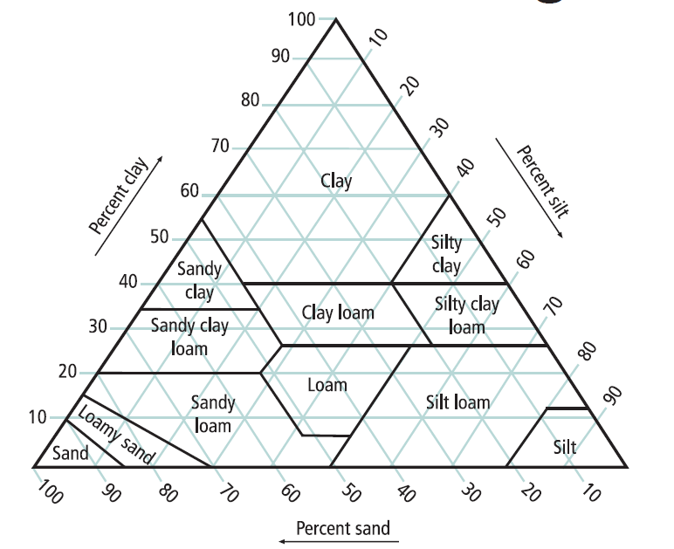
Textures: |  | *Sand Modifiers: |  | Topsoil Indicator(s) of Saturation:
C | Clay | Co | Coarse | T1. Wetland Vegetation
SiC | Silty Clay | M | Medium | T2. Depressional Landscape
SC | Sandy Clay | F | Fine | T3. Organic texture or organic modifiers
CL | Clay Loam | VF | Very Fine | T4. N 2.5/ 0 color
SiCL | Silty Clay Loam |  |  | T5. Redox features in topsoil
SCL | Sandy Clay Loam |  |  | T6. Hydraulic indicators
Si | Silt
SiL | Silt Loam | Subsoil Indicator(s) of Saturation:
L | Loam | S1. Depleted matrix (value >/=4 and chroma </=2)
SL | Sandy Loam* | S2. Distinct gray or red redox features (any Matrix Hue)
LS | Loamy Sand* | S3. Matrix Hue of 5Y with a chroma </= 3
S | Sand* | S4. Matrix Hue of 7.5 YR or redder with faint redox concentrations or redox depletions

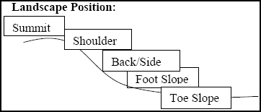
Shape:
Granular |  | The peds are approximately spherical or polyhedral and are commonly found in topsoil. These are the small, rounded peds that hang onto roots when soil is turned over.

Platy |  | The peds are flat and plate like. They are oriented horizontally and are usually overlapping. Platy structure is commonly found in forested areas just below the leaf litter or shallow topsoil.

Blocky |  | The peds are block-like or polyhedral, and are bounded by flat or slightly rounded surface that are castings of the faces of surrounding peds. Blocky structure is commonly found in the lower topsoil and subsoil.

Prismatic |  | Flat or slightly rounded vertical faces bound the individual peds. Peds are distinctly longer vertically, and faces are typically casts or molds of adjoining peds. Prismatic structure is commonly found in the lower subsoil. |  |  | Slope Shape:
 |  |  |  |  | Slope shape is described in two directions: up and down slope (perpendicular to the contour), and across slope (along the horizontal contour); e.g. Linear, Convex or LV'.

Single Grain |  | The structure found in a sandy soil. The individual particles are not held together.

Grade:
Loose |  | No peds, sandy soil
Weak |  | Poorly formed, indistinct peds, barely observable in place
Moderate |  | Well formed, distinct peds, moderately durable and evident, but not distinct in undisturbed soil

Strong |  | Durable peds that are quite evident in un-displaced soil, adhere weakly to one another, withstand displacement, and become separated when soil is disturbed

Massive |  | No observable aggregates, or no orderly arrangement of natural lines of weakness

Consistence:
Loose |  | Intact specimen not available
Friable |  | Slight force between fingers
Firm |  | Moderate force between fingers
Extremely Firm |  | Moderate force between hands or slight foot pressure

Rigid |  | Foot pressure

