Prelim
 | 1. Contact Information |  |  |  |  |  |  |  |  |  |  |  |  |  |  |  | v 05.01.2026

 |  |  |  |  | Property Owner/Client: |  |  |  |  |  |  |  | Date Completed:

 |  |  |  |  | Site Address: |  |  |  |  |  |  |  |  | Project ID:

 |  |  |  |  | Email: |  |  |  |  |  |  |  |  | Phone:

 |  |  |  |  | Mailing Address: |  |  |  |  |  |  |  |  | Alt Phone:

 |  |  |  |  | Legal Description:

 |  |  |  |  | Parcel ID: |  |  |  | SEC: |  |  |  | TWP: |  |  | RNG:

 | 2. Flow and General System Information

 |  | A. Client-Provided Information
 |  |  |  | Project Type:
 |  |  |  | Project Use:

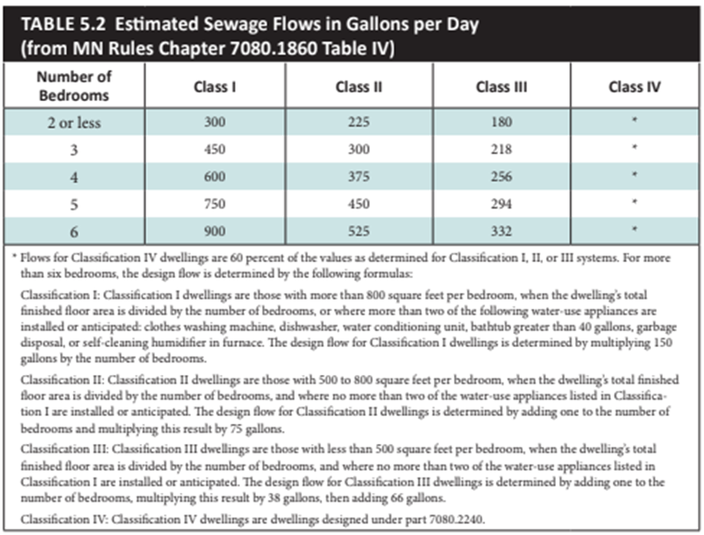
 |  | Residential use: |  |  |  | # Bedrooms: |  |  |  | Dwelling sq.ft.: |  |  |  |  |  | Unfinished sq.ft.:

 |  |  |  |  |  | # Adults: |  |  |  | # Children: | 0 |  |  |  |  | # Teenagers:

 |  |  |  |  |  | In-home business (Y/N): |  |  |  | If yes, describe:

 |  |  | Water-using devices: (check all that apply)

 |  |  |  |  |  |  |  |  |  | * Clear water source - should not go into system
 |  |  |  |  |  | Additional current or future uses:

 |  |  |  |  |  | Anticipated non-domestic waste:

 |  |  |  |  |  | The above is complete & accurate:
 |  |  |  |  |  |  | Client signature & date
 |  | B. Designer-determined Flow and Anticipated Waste Strength Information
 |  |  |  | Attach additional information as necessary.
 |  |  |  |  |  | Design Flow: |  | GPD |  |  |  |  |  | Anticipated Waste Type:

 |  | Maximum Concentration |  |  |  | BOD: |  | mg/L | TSS |  |  | mg/L |  |  | Oil & Grease |  |  | mg/L

3. Preliminary Site Information
A. Water Supply Wells
 |  | # | Description |  |  |  | Mn. ID# | Well Depth (ft.) |  | Casing Depth (ft.) |  | Confining Layer |  | STA Setback |  | Source

 |  | 1
 |  | 2
 |  | 3
 |  | 4
 |  |  | Additional Well Information:

 |  |  |  |  |  |  |  |  |  | Site within 200' of noncommunity transient well (Y/N) |  |  |  |  | Yes, source:

 |  |  |  |  |  |  |  |  |  | Site within a drinking water supply management area (Y/N) |  |  |  |  | Yes, source:

 |  |  |  |  |  |  |  |  |  | Site in Well Head Protection inner wellhead management zone (Y/N) |  |  |  |  | Yes, source:

 |  |  |  |  |  |  |  |  |  | Buried water supply pipes within 50 ft of proposed system (Y/N)

Water Supply Pipe Comments:

 |  | B. Site located in a shoreland district/area? |  |  |  |  |  |  |  |  |  |  |  |  | Yes, name:

 |  |  |  |  |  |  |  |  | Elevation of ordinary high water level: |  |  |  | ft |  | Source:

 |  |  |  | Classification: |  |  |  |  |  | Tank Setback: |  |  | ft. STA Setback: |  |  |  |  | ft.

 |  | C. Site located in a floodplain? |  |  |  |  |  |  |  |  |  |  |  |  | Yes, Type(s):

 |  |  |  |  |  |  |  |  | Floodplain designation/elevation (10 Year): |  |  |  | ft |  | Source:

 |  |  |  |  |  |  |  |  | Floodplain designation/elevation (100 Year): |  |  |  | ft |  | Source:

 |  | D. Property Line Id / Source:

 |  | E. ID distance of relevant setbacks on map:

 | 4. Preliminary Soil Profile Information From Web Soil Survey (attach map & description)

 |  |  |  |  | Map Units: |  |  |  |  |  |  |  |  |  | Slope Range: |  |  | %

 |  |  |  |  | List landforms:

 |  |  |  |  | Landform position(s):

 |  |  |  |  | Parent materials:

 |  |  |  |  |  |  |  | Depth to Bedrock/Restrictive Feature: |  |  | in |  |  |  | Depth to Watertable: |  |  | in

 | Map Unit Ratings |  |  |  |  |  |  | Septic Tank Absorption Field- At-grade:

 |  |  |  |  |  |  |  | Septic Tank Absorption Field- Mound:

 |  |  |  |  |  |  |  | Septic Tank Absorption Field- Trench:

 | 5. Local Government Unit Information

 |  |  |  |  |  | Name of LGU:

 |  |  |  |  |  | LGU Contact:

 |  |  |  |  |  | LGU-specific setbacks:

 |  |  |  |  |  | LGU-specific design requirements:

 |  |  |  |  |  | LGU-specific installation requirements:

 | Notes:

Field
 | 1. Project Information |  |  |  |  |  |  |  |  |  |  |  |  | v 05.01.2026

 | Property Owner/Client: |  |  |  |  |  |  |  |  |  |  | Project ID:

 |  | Site Address: |  |  |  |  |  |  |  |  | Date Completed:

 | 2. Utility and Structure Information
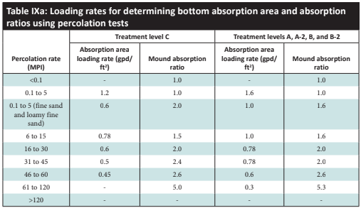
 | Utility Locations Identified

 | Locate and Verify (see Site Evaluation map)

 | 3. Site Information

 | Vegetation type(s): |  |  |  |  |  |  |  |  |  | Landscape position:

 |  | Percent slope: |  |  | % |  |  | Slope shape: |  |  |  | Slope direction:

 |  |  |  |  |  |  | Describe the flooding or run-on potential of site:

 |  |  |  |  |  |  | Describe the need for Type III or Type IV system:

 |  | Note:

 |  |  |  |  |  |  | Proposed soil treatment area protected? (Y/N): |  |  |  | If yes, describe:

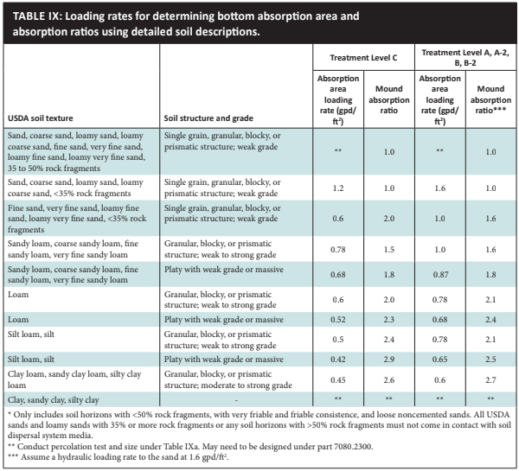
 | 4. General Soils Information

Filled, Compacted, Disturbed areas (Y/N):

 |  | If yes, describe:

 |  |  |  |  |  |  |  |  |  |  |  |  | Soil observations were conducted in the proposed system location (Y/N):

 |  |  |  |  |  |  |  |  |  |  |  |  | A soil observation in the most limiting area of the proposed system (Y/N):

 |  |  |  |  | Number of soil observations: |  |  |  |  |  |  |  | Soil observation logs attached (Y/N):

 |  |  |  |  |  |  |  |  |  |  |  |  | Percolation tests performed & attached (Y/N):

 | 5. Phase I. Reporting Information
 |  |  |  | Depth |  |  | Elevation
 | Limiting Condition*: |  |  |  |  | in |  |  | ft | *Most Restrictive Depth Identified from List Below
 |  |  | Periodically saturated soil: |  |  | in |  |  | ft |  |  | Soil Texture:
 |  |  | Standing water: |  |  | in |  |  | ft |  |  | Percolation Rate: |  |  | min/inch
 |  |  | Bedrock: |  |  | in |  |  | ft |  |  | Soil Hyd Loading Rate: |  |  | gpd/sq.ft

 |  |  | Benchmark Elevation: |  |  |  | ft |  |  |  |  |  | Elevations and Benchmark on map? (Y/N):

 | Benchmark Elevation Location:

 |  |  |  |  |  |  | Differences between soil survey and field evaluation:

 |  |  |  |  |  |  | Site evaluation issues / comments:

 |  |  |  | Anticipated construction issues:

Soil Chart
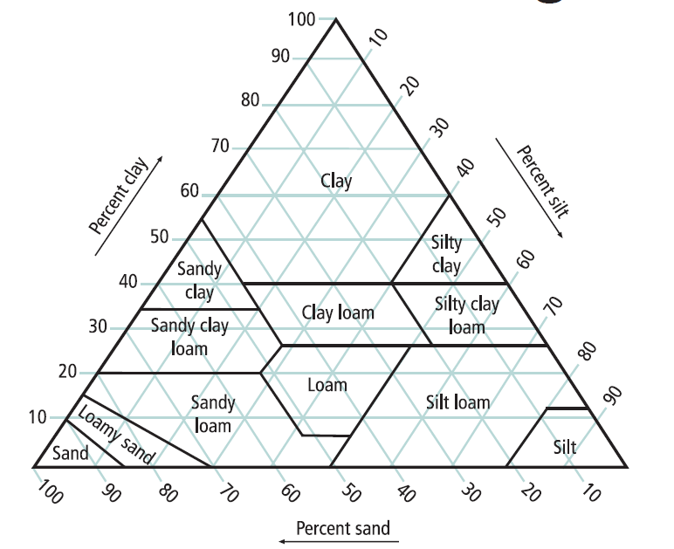
Textures: |  | *Sand Modifiers: |  | Topsoil Indicator(s) of Saturation:
C | Clay | Co | Coarse | T1. Wetland Vegetation
SiC | Silty Clay | M | Medium | T2. Depressional Landscape
SC | Sandy Clay | F | Fine | T3. Organic texture or organic modifiers
CL | Clay Loam | VF | Very Fine | T4. N 2.5/ 0 color
SiCL | Silty Clay Loam |  |  | T5. Redox features in topsoil
SCL | Sandy Clay Loam |  |  | T6. Hydric indicators
Si | Silt
SiL | Silt Loam | Subsoil Indicator(s) of Saturation:
L | Loam | S1. Depleted matrix (value >/=4 and chroma </=2)
SL | Sandy Loam* | S2. Distinct gray or red redox features (any Matrix Hue)
LS | Loamy Sand* | S3. Matrix Hue of 5Y with a chroma </= 3
S | Sand* | S4. Matrix Hue of 7.5 YR or redder with faint redox concentrations or redox depletions

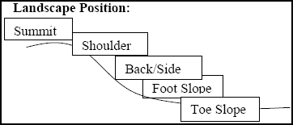
Shape:
Granular |  | The peds are approximately spherical or polyhedral and are commonly found in topsoil. These are the small, rounded peds that hang onto roots when soil is turned over.

Platy |  | The peds are flat and plate like. They are oriented horizontally and are usually overlapping. Platy structure is commonly found in forested areas just below the leaf litter or shallow topsoil.

Blocky |  | The peds are block-like or polyhedral, and are bounded by flat or slightly rounded surface that are castings of the faces of surrounding peds. Blocky structure is commonly found in the lower topsoil and subsoil.

Prismatic |  | Flat or slightly rounded vertical faces bound the individual peds. Peds are distinctly longer vertically, and faces are typically casts or molds of adjoining peds. Prismatic structure is commonly found in the lower subsoil. |  |  | Slope Shape:
 |  |  |  |  | Slope shape is described in two directions: up and down slope (perpendicular to the contour), and across slope (along the horizontal contour); e.g. Linear, Convex or LV'.

Single Grain |  | The structure found in a sandy soil. The individual particles are not held together.
Massive |  | No observable aggregates, or no orderly arrangement of natural lines of weakness

Grade:
Loose |  | No peds, sandy soil
Weak |  | Poorly formed, indistinct peds, barely observable in place
Moderate |  | Well formed, distinct peds, moderately durable and evident, but not distinct in undisturbed soil

Strong |  | Durable peds that are quite evident in un-displaced soil, adhere weakly to one another, withstand displacement, and become separated when soil is disturbed

Structureless |  | No Discrete units observable in place or in hand sample

Consistence:
Loose |  | Intact specimen not available
Very Friable |  | Very slight force between fingers
Friable |  | Slight force between fingers
Firm |  | Moderate force between fingers
Extremely Firm |  | Moderate force between hands or slight foot pressure |  |  |  | v 05.01.2026
Rigid |  | Foot pressure

Design Details & Summary
 | 1. | PROJECT INFORMATION |  |  |  |  |  |  |  |  |  |  |  |  |  |  |  | v 05.01.2026

 |  |  |  |  | Property Owner/Client: |  |  |  |  |  |  |  |  |  |  |  | Project ID:

 |  |  |  |  | Site Address: |  |  |  |  |  |  |  |  |  |  |  | Date:

 |  |  |  |  | Email Address: |  |  |  |  |  |  |  |  |  |  |  | Phone:

 | 2. | DESIGN FLOW & WASTE STRENGTH |  |  |  |  |  |  |  |  |  |  |  |  |  |  |  |  |  | Attach waste strength data/estimated strength for Other Establishments to the Design

 |  |  |  |  |  |  | Design Flow: |  |  | GPD |  |  |  |  |  |  | Anticipated Waste Type:

 |  |  |  |  |  |  | BOD: |  |  | mg/L | TSS: |  |  | mg/L |  |  | Oil & Grease: |  | mg/L

 |  |  |  |  |  |  | Treatment Level: |  |  | Select Treatment Level C for residential septic tank effluent

 | 3. | HOLDING TANK SIZING |  |  |  |  | Holding Tank Sizing: see 7080.2290 |  |  |  |  |  |  |  |  |  |  |  |  | Minimum Capacity: Residential =1000 gal or 400 gal/bedroom, Other Establishment = Design Flow x 5.0, Minimum size 1000 gallons

 |  |  |  |  |  |  | Code Minimum Holding Tank Capacity: |  |  | Gallons |  | with |  |  | Tanks or Compartments

 |  |  |  |  |  |  | Recommended Holding Tank Capacity: |  |  | Gallons |  | with |  |  | Tanks or Compartments

 |  | The holding tank(s) will be: |  |  |  |  |  |  |  |  | Existing tank reuse requires a tank integrity assessment

 |  |  |  |  | Type of High Level Alarm:

 |  |  | (Alarm Set @ 75% tank capacity measured from inlet to bottom)

 |  | Comments:

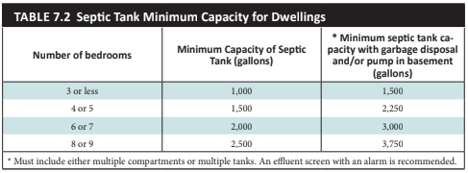
 | 4. | SEPTIC TANK SIZING |  |  |  |  | Septic Tank Sizing: See 7080.1930

 | A. | Residential dwellings:
 |  |  |  |  |  |  | Number of Bedrooms (Residential):

 |  |  |  |  |  |  | Code Minimum Septic Tank Capacity: |  |  | Gallons |  | with |  |  | Tanks or Compartments

 |  |  |  |  |  |  | Recommended Septic Tank Capacity: |  |  | Gallons |  | with |  |  | Tanks or Compartments

 |  | The septic tank(s) will be: |  |  |  |  |  |  |  |  | Existing tank reuse requires a tank integrity assessment

 |  |  | Comments:

 |  |  |  |  |  | Effluent Screen & Alarm (Y/N): |  |  |  |  |  | Model/Type:

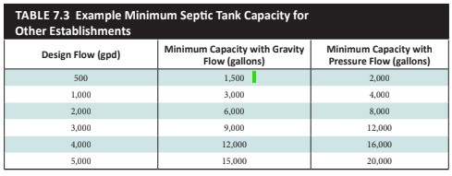
 | B. | Other Establishments:

 |  |  |  |  |  |  | Waste received by: |  |  |  |  |  | GPD x |  |  | Days Hyd. Retention Time

 |  |  |  |  |  |  | 7080 Minimum Septic Tank Capacity: |  |  | Gallons |  | with |  |  | Tanks or Compartments

 |  |  |  |  |  |  | Designed Septic Tank Capacity: |  |  | Gallons |  | with |  |  | Tanks or Compartments
 |  |  |  |  |  |  |  |  |  |  | Existing tank reuse requires a tank integrity assessment
 |  | The septic tank(s) will be:

 |  |  | Comments:

 |  |  |  |  |  | Effluent Screen & Alarm (Y/N): |  |  |  |  |  | Model/Type:
 | * Other Establishments Require Department of Labor and Industry Approval and Inspection for Building Sewer *


 | 5. | PUMP TANK SIZING Sizing: see 7080.2100 |  |  |  |  |  |  |  | Enter in Pump Tank Tab

Soil Treatment Dosing Tank |  |  |  |  |  |  |  |  |  |  | Other Component Dosing Tank:
 |  |  |  |  |  |  | Pump Tank Capacity (7080 Minimum): |  |  | Gal |  |  |  |  |  |  | Pump Tank Capacity (7080 Minimum): |  | Gal

 |  |  |  |  |  |  | Pump Tank Capacity (Designed): |  |  | Gal |  |  |  |  |  |  | Pump Tank Capacity (Designed): |  | Gal

 |  | Pump Req: |  |  | GPM |  | Total Head |  |  | ft |  | Pump Req: |  |  | GPM |  | Total Head |  | ft

 |  |  | Supply Pipe Dia. |  | in |  | Dose Vol: |  |  | gal | Supply Pipe Dia. |  |  |  | in |  | Dose Vol: |  | Gal
 | * Flow measurement device must be incorporated for any system with a pump * |  |  |  |  |  |  |  |  |  |  |  |  |  |  |  |  |  |  |  | Type |  | Dist.
 | 6. | SYSTEM AND DISTRIBUTION TYPE |  |  |  |  |  |  |  |  | Project ID: |  |  |  |  |  |  |  |  |  | Code |  | Code

 |  |  |  | Soil Treatment Type: |  |  |  |  |  |  |  |  | Distribution Type: |  |  |  |  |  |  |  | 0 |  | 0

 |  |  |  | Elevation Benchmark: |  |  |  | ft |  |  |  |  | Benchmark Location:

 |  |  |  | MPCA System Type: |  |  |  |  |  |  |  |  | Distribution Media: |  |  |  |  |  |  |  | System Elev

 |  |  |  | Type III/IV/V Details:

 | 7. | SITE EVALUATION SUMMARY:
 |  |  |  |  |  |  |  |  |  |  |  |  |  |  |  |  |  |  |  |  |  |  |  | Dist. BtM

 |  |  |  |  | Describe Limiting Condition: |  |  |  |  |  |  |  |  |  |  |  |  |  |  |  | Atgrade |  | #VALUE! | #VALUE! | T&B

 |  |  |  |  |  |  |  | Layers with >35% Rock Fragments? (yes/no) |  | If yes, describe below: % rock and layer thickness, amount of |  |  |  |  |  |  |  |  |  |  | Mound |  | #VALUE! | Mound | AT
 |  | soil credit and any additional information for addressing the rock fragments in this design. |  |  |  |  |  |  |  |  |  |  |  |  |  |  |  |  |  |  | Trench |  | #VALUE!
 | Note: |  |  |  |  |  |  |  |  |  |  |  |  |  |  |  |  |  |  |  | Bed |  | #VALUE! | FALSE | MD
 |  |  |  |  |  | Depth |  |  |  | Depth |  | Elevation |  |  | Elevations are critical for system compliance.
 |  |  |  |  | Limiting Condition: |  |  | inches |  |  | ft |  |  | ft

 |  |  |  |  | Minimum Req'd Separation: |  |  | inches |  |  | ft |  |  |  |  |  | Mound Minimum Sand Depth: |  | inches

 |  |  |  |  |  |  |  |  | Designed Distribution Media Bottom Elevation*: |  |  |  | ft | Designed Separation: |  |  |  |  | inches | Elevation Check? |  | Elevation meets min Separation
 | *This is the minimum elevation of the bottom of the distribution media for required separation related to the established benchmark |  |  |  |  |  |  |  |  |  |  |  |  |  |  |  |  |  |  |  |  | Check elevation for separation

 |  |  |  |  | A. Soil Texture:

 |  |  |  |  | B. Soil Hyd. Loading Rate: |  |  | GPD/ft2 |  |  |  |  | C: Percolation Rate: |  |  | MPI |  |  |  |  |  |  |  |  |  | Contour Loading Rates Type I system ≤ 12


 |  |  |  |  | D. Contour Loading Rate: |  |  |  |  | Note: |  |  |  |  |  |  |  |  |  |  |  |  |  |  |  | 12 | Maximum in Rule | Full Size System, Natural Soil, > 12 inches separation, Normal Wastewater, Perc < 120 MPI

 |  |  |  |  | E. Measured Land Slope: |  |  | % |  | Note: |  |  |  |  |  |  |  |  |  |  |  |  |  |  |  | 6-12 | Bad Sites | Reduced Size System, <12 inches separation, Disturbed Soils, Perc < 120 MPI

 |  |  |  |  | Comments: |  |  |  |  |  |  |  |  |  |  |  |  |  |  |  |  |  |  |  |  | <6 | Problematic Ugly Sites | Disturbed Soil, Perc > 120 MPI

 | 8. | SOIL TREATMENT AREA DESIGN SUMMARY Only applicable fields will be filled based on Treatment Area Type

 | Trench:
 |  |  |  | Dispersal Area |  |  | sq.ft |  |  | Sidewall Depth |  |  | in |  |  |  | Trench Width |  | ft

 |  |  |  | Total Lineal Feet |  |  | ft |  |  | No. of Trenches |  |  | Code Max. Trench Depth |  |  |  |  |  | in

 |  |  |  | Contour Loading Rate |  |  | ft |  |  | Minimum Length |  |  | ft | Designed Trench Depth |  |  |  |  | in

 | Bed:
 |  |  |  | Dispersal Area |  |  | sq.ft |  |  | Sidewall Depth |  |  | in |  |  |  | Maximum Bed Depth |  | in

 |  |  |  | Bed Width |  |  | ft |  |  | Bed Length |  |  | ft |  |  |  | Designed Bed Depth |  | in

 |  |  |  |  |  |  |  |  |  |  |  | Project ID:
 | Mound:
 |  |  |  | Dispersal Area |  |  | sq.ft |  |  | Media Length |  |  | ft |  |  |  | Media Width |  | ft

 |  |  |  | Absorption Width |  |  | ft |  |  | Clean Sand Lift |  |  | ft |  |  |  | Berm Width (0-1%) |  | ft

 |  |  |  | Upslope Berm Width |  |  | ft |  |  | Downslope Berm |  |  | ft |  |  |  | Endslope Berm Width |  | ft

 |  |  |  | Total System Length |  |  | ft |  |  | System Width |  |  | ft |  |  |  | Contour Loading Rate |  | gal/ft

 | At-Grade:
 |  |  |  | Dispersal Area |  |  | sq.ft |  |  | Bed Length |  |  | ft |  |  |  | Bed Width |  | ft

 |  |  |  | Upslope Berm |  |  | ft |  |  | Downslope Berm |  |  | ft |  |  |  | Finished Height |  | ft

 |  |  |  | System Length |  |  | ft |  |  | Endslope Berm |  |  | ft |  |  |  | System Width |  | ft

 | Level & Equal Pressure Distribution Soil Treatment Area
 |  | No. of Laterals |  |  |  |  |  | Lateral Diameter |  |  |  |  | in |  | Lateral Spacing |  |  |  | ft

 |  |  |  | Perforation Spacing |  |  | ft |  |  |  | Perforation Diameter |  |  | in Drainback Volume |  |  |  |  | gal

 |  | Min Dose Volume |  |  |  |  | gal Max Dose Volume |  |  |  |  |  | gal | Total Dosing Volume |  |  |  |  | gal

 | Non-Level and Unequal Pressure Distribution Soil Treatment Area
 |  |  | Elevation (ft) |  | Pipe Size (in) |  | Pipe Volume (gal/ft) |  | Pipe Length (ft) |  | Perf Size (in) |  | Spacing (ft) |  | Spacing (in) |  |  | Minimum Dose Volume

 |  |  |  |  |  |  |  |  |  |  |  |  |  |  |  |  |  |  | gal
 | Lateral 1 |  |  |  |  |  |  |  |  |  |  |  |  |  |  |  |  | Maximum Dose Volume
 | Lateral 2
 | Lateral 3 |  |  |  |  |  |  |  |  |  |  |  |  |  |  |  |  |  | gal
 | Lateral 4 |  |  |  |  |  |  |  |  |  |  |  |  |  |  |  |  | Total Dosing Volume
 | Lateral 5
 | Lateral 6 |  |  |  |  |  |  |  |  |  |  |  |  |  |  |  |  |  | gal

 | 9. | Organic Loading and Additional Info for HSW or Type IV/V Design - See Organic Loading tab
 | Organic Loading to Soil Treatment (Based on Waste Strength Data and Organic Loading Design)

 | A. | Organic Loading Based on: |  |  |  |  |  |  |  | B. Minimum required area |  |  |  |  |  |  | sq.ft

 | Technology Strength Reduction (Treatment Level or HSW)

 | A. | Starting Waste Strength |  |  |  |  |  |  |  |  |  | Treatment designed to meet:

 |  |  |  |  |  | Pretreatment Technology: |  |  |  |  |  |  |  |  |  | *Must Meet or Exceed Target Level

 |  |  |  |  |  | Model: |  |  |  |  |  | Units:

 |  |  |  |  |  | Disinfection Technology: |  |  |  |  |  |  |  |  |  | *Required for Levels A & B

 |  |  |  |  |  | Model: |  |  |  |  |  | Units:

 | 10. | Comments/Special Design Considerations:

 | I hereby certify that I have completed this work in accordance with all applicable ordinances, rules and laws.

 | (Designer) |  |  |  |  |  |  | (Signature) |  |  |  |  |  | (License #) |  |  |  | (Date)

Trench
 |  |  |  |  | Trench Design Worksheet
1. |  | SYSTEM SIZING: |  |  |  |  | Project ID: |  |  |  |  |  |  |  |  | v 05.01.2026

 | A. | Design Flow: |  |  |  |  |  |  | GPD

 | B. | Code Maximum Depth: |  |  |  |  |  |  | inches | Designers Maximum Depth: |  |  |  |  |  |  | inches

 | C. | Soil Loading Rate: |  |  |  |  |  |  | GPD/sq.ft |  | Contour Loading Rate: |  |  |  | 12 |  | gal/ft

 | D. | Required Bottom Area: Design Flow(1A) ÷ Soil Loading Rate(1C)

 |  |  |  | GPD ÷ |  |  | GPD/sq.ft = |  |  |  | sq.ft

 | Optional Upsizing of Dispersal Media Area

 | E. | Larger Area Size or Organic Sizing of Area (see organic loading sheet - 2G) |  |  |  |  |  |  |  |  |  |  | sq.ft

 | F. | Designed Bottom Area: |  |  |  | 0.0 |  | sq.ft

 | G. | Select Dispersal Media:
 |  |  |  |  |  |  |  |  |  |  | If Registered Media

 | H. | Select Distribution Method: |  |  |  |  |  |  |  | Notes:
 | I. | Is distribution media installed in contact with sand or loamy sand or with a percolation rate of 0.1 to 5 mpi?
 |  | If yes, Indicate distribution or treatment method:

2. |  | TRENCH CONFIGURATION

 | A. | Initial required trench bottom area (ft2): (from 1.D) |  |  | Sidewall Absorption (inches) |  | Bottom Area Reduction |  | Bottom Area Multiplier |  | Design trench bottom area

 |  |  |  |  | 6 to 11 |  | 0% |  | 1 |  |  |  |  |  |  |  |  |  | Product Side Wall Height (inches)
 |  |  |  |  | 12 to 17 |  | 20% |  | 0.8 |  |  |  |  |  |  |  |  |  | Chamber |  | 8
 |  |  |  |  | 18 to 23 |  | 34% |  | 0.66 |  |  |  |  |  |  |  |  |  | Chamber Low Profile |  | 6
 |  |  |  |  | 24 |  | 40% |  | 0.6 |  |  |  |  |  |  |  |  |  | Chamber High Capacity |  | 12

 | B. | Sidewall Height (as registered): |  |  |  |  |  |  | inches = |  | 0.00 |  | ft |  |  |  |  |  | EzFlow |  | 6
 |  |  |  |  |  |  |  |  |  |  |  |  | Check registered product information for specific application details and design
 | C. | Design Bottom Area: |  |  |  |  |  | sqft

 | D. | Trench Width (as registered): |  |  |  |  |  |  | ft

 | E. | Total Designed Trench Length: Bottom Area (2C) ÷ Trench Width(2D)
 |  |  |  |  | 0.0 |  | sq.ft ÷ |  | 0.00 |  | ft = |  |  | ft

 | F. | Calculate Minimum length of each trench based on Contour Loading Rate: Design Flow(1A) ÷ CLR (1C2) =
 |  |  |  |  |  |  |  | gpd ÷ |  |  | gal/ft = |  |  |  | ft

 | G. | Rapidly Permeable Soil Design Considerations: |  |  |  |  |  |  | 0

 |  | 15% Trench Distribution = Required Bottom Area (2C) x 15%.
 |  | N/A |  | sq.ft X 15% = |  |  |  | N/A |  | sq.ft
 |  | Length Trenches at 15 %: Trench area (2G) ÷ Trench Width(2D)
 |  | N/A |  | sq.ft ÷ |  | N/A |  | ft = | N/A |  | ft |  |  |  |  |  | Based on 15% sections (2E)/(2G)

 | H. | Number of Trenches: |  |  |  |  |  | Based on CLR minimum length (2E)/(2F). |  |  |  |  |  |  | N/A

 |  |  | Designed Number of Trenches:

 | I. | Equal Length per Trench = Actual Trench Length(2E) ÷ Number of Trenches(2H)
 |  |  |  |  |  |  |  | ft ÷ |  |  | = |  |  |  | ft

 | J. | Select Trench Spacing : |  |  |  |  |  | ft | (typically 5 - 12 ft from center to center)

 | K. | Calculate Lawn Area: Total Trench Length(2E) X Trench Spacing(2J)
 |  |  |  |  |  |  |  | ft X |  |  | ft = |  |  |  | sq.ft lawn area

3. |  | ESTIMATED ROCK MATERIALS |  |  |  |  |  |  |  |  |  |  | Project ID:

 | A. | Select Depth Required to Cover Distribution Pipe: |  |  |  |  |  |  |  |  |  | ft | (0.33 ft for pressure, 0.5 ft for gravity)

 | B. | Calculate Rock Volume:
 |  | (Sidewall Height(2B) + Depth to Cover Pipe(3A)) X Bottom Area(2C) = cubic feet ÷ 27 = cubic yards
 | ( |  |  | ft + |  |  | ft ) X |  |  | sq.ft | = |  |  | cu.ft | ÷ 27 |  |  | cu.yd

 | Trench to be constructed to dimensions in design. This is an estimate of materials needed. Individual construction practices may vary quantities.

4. |  | ESTIMATED REGISTERED PRODUCTS MATERIALS

 | A. | Registered Product: |  |  |  |  |  |  |  | Model:

 | B. | Total Length to be Installed: |  |  |  |  |  |  | ft |  |  |  |  |  |  | Check registered product information for specific application details and design

 | C. | Total Designed for Install (4B) - Total Trench Required(2E) (must be a positive number)
 |  |  | 0.0 |  | Total ft - |  |  |  | ft required = |  |  |  |  | ft

5. |  | Dimension Summary

 |  |  |  |  |  | 0 |  | Trench Width (in)
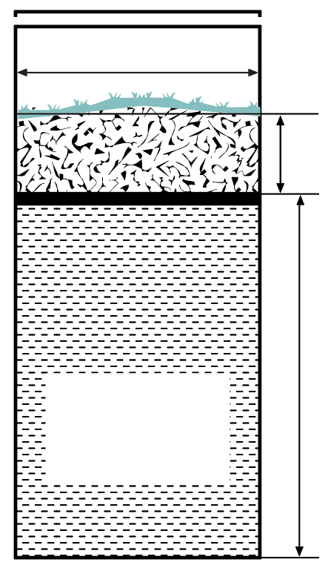
 |  | One 4" Inspection pipe per trench

 |  |  |  |  |  |  |  |  |  | Minimum 12 inch cover


 |  |  |  |  |  |  |  |  |  |  |  |  |  | Elevation based on Benchmark
 |  | Total Feet

 |  |  |  |  |  |  |  |  |  |  |  | Media Depth (in) Below Pipe |  |  |  |  |  | ft |  | Product Total Height (inches)
 |  | 0 |  |  |  |  |  |  |  |  |  |  |  |  |  |  |  |  |  | Chamber |  | 12
 | Number of Trenches |  |  |  |  |  |  |  |  |  |  |  |  |  |  |  |  |  |  | Chamber Low Profile |  | 8

 |  |  |  |  |  |  |  |  |  |  |  | Max Depth (in) Designed |  |  |  |  |  | ft |  | Chamber High Capacity |  | 14
 |  |  |  |  |  |  |  |  |  |  |  |  |  |  |  |  |  |  |  | EzFlow |  | 12

 | Distribution Media: |  |  |  |  |  |  |  |  |  |  | Required Separation (in) |  |  |  |  |  | ft

 |  |  |  |  |  |  |  |  |  |  |  | Limiting Condition (in) |  |  |  |  |  | ft

 | Comments:

Bed
 |  |  |  |  |  | Bed Design Worksheet
1. |  | SYSTEM SIZING: |  |  |  |  | Project ID: |  |  |  |  |  |  |  |  | v 05.01.2026

 | A. | Design Flow: |  |  |  |  |  |  | GPD

 | B. | Code Maximum Depth: |  |  |  |  |  |  | inches | Designers Maximum Depth: |  |  |  |  |  |  | inches

 | C. | Soil Loading Rate: |  |  |  |  |  |  | GPD/sq.ft

 | D. | Hydraulic Absorption Required Bottom Area: Design Flow (1A) ÷ Soil Loading Rate (1C)
 |  |  |  | GPD ÷ |  |  | GPD/sq.ft = |  |  |  | sq.ft

 | Optional Upsizing of Dispersal Media Area

 | E. | Larger Area Size or Organic Sizing of Area (see organic loading sheet - 2G) |  |  |  |  |  |  |  |  |  |  | sq.ft

 | F. | Select Distribution Method: |  |  |  |  |  |  |  | Notes:

 | G. | Select Dispersal Media: |  |  |  |  |  |  |  | Product:

 | H. | If distribution media is installed in contact with sand or loamy sand or with a percolation rate of 0.1 to 5 mpi
 |  | indicate distribution or treatment method:

2. |  | BED CONFIGURATION: (Less than 6% slope required)

 | A. | Select size Multiplier: |  |  |  |  |  |  | 1.0 = pressurized or 1.5 = gravity
 | B. | Required Bed Area =Hydraulic Absorption area (1D) or Upsized Bed Area (1E) X Size Multiplier (2A) =
 |  | 0 |  | sq.ft X |  |  |  | = |  |  | sq.ft

 | C. | Select Bed Width: |  |  |  |  |  | ft | 12' max for gravity distribution, 25' max for pressure distribution
 | D. | Calculate Bed Length: Designed Bottom Area (2B) ÷ Bed Width (2C) = Bed Length
 |  |  |  |  |  |  | sq.ft ÷ |  | 0.0 |  | ft = |  |  | ft

 | E. | Contour Loading Rate: Bed Width (2C) x SHLR (1C)

 |  |  |  |  | 0.0 |  | ft | x |  |  | GPD/sq.ft |  | = |  |  | gal/ft

3. |  | ESTIMATED MATERIAL CALCULATION: ROCK
 | A. | If drainfield rock is being used, select sidewall height |  |  |  |  |  |  |  | (min 6" below pipe)
 |  |  |  |  |  |  |  | in | 0.00 |  | ft |  | ( 0.33 ft for pressure or 0.5 ft for gravity)
 | B. | Media Volume: (Media Depth(3A) + depth to cover pipe) X Designed Bottom Area(2B) = cu.ft
 |  | ( | 0.0 |  | ft + |  |  | ft) X |  |  | sq.ft = |  |  |  | cu.ft

 | C. | Calculate Volume in cubic yards: Media volume in cubic feet (3B) ÷ 27 = cubic yards
 |  |  |  |  |  |  |  | cu.ft ÷ 27 = |  |  |  |  | cu.yd

 |  | Bed to be constructed to dimensions in design. This is an estimate of materials needed. Individual construction practices may vary quantities.

4. |  | ESTIMATED MATERIAL CALCULATION: REGISTERED PRODUCTS - CHAMBERS AND EZFLOW |  |  |  |  |  |  |  |  |  |  |  |  |  |  |  |  |  | Product Side Wall Height (inches)

 | A. | Registered Product: |  |  |  |  |  |  |  |  |  |  |  | Check registered product information for specific application details and design |  |  |  |  |  |  | Chamber | 8

 | B. | Bed Width |  |  |  |  |  |  |  |  | 0.0 |  | ft |  |  |  |  |  |  |  | Low Profile | 6

 | C. | Bed Length |  |  | Minimum |  |  |  |  |  |  |  | ft |  |  |  |  |  |  |  | High Capacity | 12

 | D. | Component depth (see Registration) |  |  |  |  |  |  |  |  |  |  | in |  |  |  |  |  |  |  | EzFlow | 6

5. |  | Dimension Summary |  |  |  |  |  |  |  |  |  |  |  |  |  | Project ID:

 |  | End View
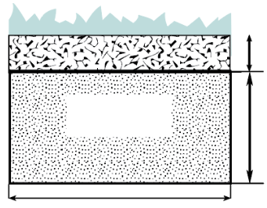

 |  |  |  |  |  |  |  |  |  |  |  | Minimum 12 inch cover

 |  |  |  |  |  |  |  |  |  |  |  |  |  |  | Elevation based on Benchmark

 |  |  |  |  |  |  |  |  |  |  |  |  |  | Media Depth (in) Below Pipe |  |  |  |  | ft

 |  |  |  |  |  |  |  |  |  |  |  |  |  | Max Depth (in)- Design |  |  |  |  | ft

 |  |  |  |  |  |  |  | Bed Width (ft) |  |  |  |  |  | Required Separation (in) |  |  |  |  | ft

 |  |  |  |  |  |  |  |  |  |  |  |  |  | Limiting Condition (in) |  |  |  |  | ft

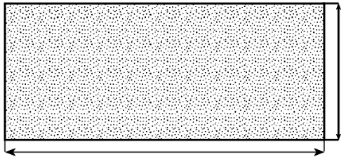
 |  | Top View
 |  |  |  |  |  |  |  |  |  |  |  |  |  |  |  | One 4" Inspection pipe per bed required
 | Pressure Distribution Pipes must be no less 12 inches and no more than 24 inches from the edges

 |  |  |  |  |  |  |  |  |  |  |  |  |  |  |  |  |  | Bed Width (ft)

 |  |  |  |  |  |  |  |  |  |  |  |  |  |  |  | Bottom Area (sq.ft)
 |  |  |  |  |  |  |  |  |  |  | Bed Length (ft)

 |  | Distribution Media: |  |  |  |  |  |  |  | Manifold Connection:

 | Perforation Size: |  |  |  |  | (in) |  |  |  | Perforation Spacing: |  |  |  |  | (in)

 | Comments:

At-Grade
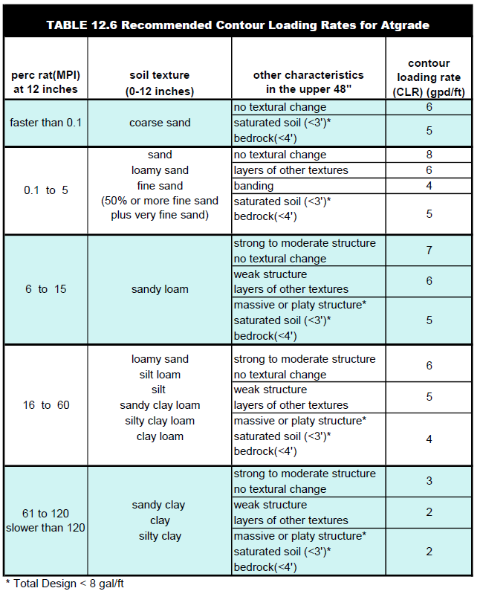
 |  |  |  | At-Grade Design Worksheet
1. |  | DISPERSAL MEDIA SIZING: |  |  |  |  |  | Project ID: |  |  |  |  | v 05.01.2026 |  |  |  |  | 0 | 4.00 | 4.00
 |  |  |  |  |  |  |  |  |  |  |  |  |  |  |  |  |  | 1 | 3.85 | 4.10
 | A. | Design Flow: |  |  |  |  | GPD | C. | % Land Slope: |  |  |  | % |  |  |  |  | 2 | 3.70 | 4.17
 |  |  |  |  |  |  |  |  |  |  |  |  |  |  |  |  |  | 3 | 3.57 | 4.35
 | B. | Soil Loading Rate: |  |  |  |  | GPD/sq.ft | D. | Contour Loading Rate: |  |  |  | GPD/ft |  |  |  |  | 6 | 3.23 | 5.00
 | E. | Absorption Bed Width = Contour Loading Rate (1D) ÷ Soil Loading Rate (1B) |  |  |  |  |  |  |  |  | Cannot exceed 15 feet |  |  |  |  |  |  | 11 | 2.78 | 6.67
 |  |  |  | GPD/ft ÷ |  |  |  | GPD/ft = |  |  |  | ft |  |  | 13 | 2.62 | 8.29
 | F. | Absorption Bed Length = Design Flow (1A) ÷ Contour Loading Rate(1D) |  |  |  |  |  |  |  |  |  |  |  |  |  |  |  | 15 | 2.48 | 9.57
 |  |  |  | GPD ÷ |  |  |  | GPD/ft = |  |  |  | ft |  |  | 16 | 2.41 | 10.24
 | G. | Hydraulic Absorption Bed Area = Design Flow (1A) ÷ Soil Loading Rate (1B) |  |  |  |  |  |  |  |  |  |  |  |  |  |  |  | 18 | 2.29 | 11.67
 |  |  |  | gpd ÷ |  |  | GPD/sq.ft = |  |  |  |  | sq.ft |  |  | 19 | 2.23 | 12.42

 | Optional Upsizing of Dispersal Media Area
 | H. | Larger Area Size or Organic Sizing of Area (see organic loading sheet - 2G) |  |  |  |  |  |  |  |  |  | sq.ft

 | I. | Required Bed Area = Greater of Hydraulic (G) or Upsized Bed Area (H) |  |  |  |  |  |  |  |  |  | sq.ft

 | J. | Required Bed Length = Required Bed Area (sq.ft)(I.) ÷ Absorption Width(E.) |  |  |  |  |  |  |  |  |  |  | ft

 |  |  | J. 1 | If a longer dispersal media is desired, enter Length(ft): |  |  |  |  |  |  |  |  | ft

 | K. | Type of Distribution Media: |  |  |  |  |  |  |  |  |  |  |  |  |  |  |  | 15 | 2.48 | 9.57
 |  |  |  |  |  |  |  |  |  |  |  |  |  |  |  |  |  | 17 | 2.35 | 10.94

2. |  | BERM SIZING: |  |  |  |  |  |  |  |  |  |  |  |  |  |  |  | 21 | 2.13 | 13.99
 | A. | Determine System Height = Full depth of media + 12" cover)
 |  | 1. a | Rock below pipe + 0.33' (Dia pipe + Rock above pipe (total 4 inches)) OR |  |  |  |  |  |  |  |  |  |  |  |  |  |  | 23 | 2.03 | 15.67
 |  | 1. b | Registered Media Height (in) + 12" Cover See product registration information for Media Height
 |  |  | in |  |  | ft + |  |  | ft + 1 ft = |  |  |  | ft | 24 | 1.98 | 16.54
 | Media Depth (in) |  |  | Media Depth (ft) |  | + if rock 0.33' |  |  | '+ 1 foot required cover
 | B. | Determine Upslope Berm Width
 |  | 1. | Upslope Multiplier based on percent slope (see Slope Multiplier Table)
 |  | 2. | On Slopes >1% Upslope Width = Upslope Multiplier (2B1) X System Height (2A)
 |  |  |  |  | X |  |  | ft = |  |  | ft
 |  | 3. | On Slopes <1%, Upslope Width = (0.5 X Absorption Bed Width (1E)) +5 ft
 |  |  | ( 0.5 |  | X |  |  | ft ) + 5 ft = |  |  |  |  | ft

 |  | 4. | Choose B.2 or B.3 depending on slope |  |  |  |  |  |  |  |  | ft
 | C. | Determine Downslope Berm Width
 |  | 1. | Downslope Multiplier based on percent slope (see Table):
 |  | 2. | Downslope Width = Downslope Multiplier(2C1) X System Height(2A)
 |  |  |  |  | X |  |  | ft = |  |  | ft
 |  | 3. | Absorption Bed Width(1E) + 5 feet |  |  |  | =
 |  |  |  |  | ft + | 5 |  | = |  |  | ft

 |  | 4. | On slopes >1%, Downslope Berm Width equals greater of C2 and C3 = |  |  |  |  |  |  |  |  |  | ft

 |  | 5. | On slopes <1%, Downslope Berm Width equals 0.5 X Absorption Bed Width (1E) + 5 feet
 |  |  | ( 0.5 X |  |  |  | ft + | 5 ft = |  |  |  | ft

 |  | 6. | Choose C4 or C5 depending on slope: |  |  |  |  |  |  |  |  | ft

 | D. | Endslope Multiplier (Minimum 4.0)
 | E. | Endslope Width = Endslope Multiplier(2D) X System Height (2A) |  |  |  |  |  |  |  | (Endslope Minimum of 6 feet)
 |  |  |  |  |  | X |  |  | ft = |  |  | ft
 | F. | System Width = The sum of the Upslope Width(2B4) + Downslope Width(2E)
 |  |  |  | ft + |  |  | ft = |  |  | ft
 | G. | System Length = Sum of the Endslope Width(2E) + Absorption Bed Length(1F) + Endslope Width(2E)
 |  |  |  | ft + |  |  | ft + |  |  | ft = |  |  | ft

 | Check registered product information for specific application details and design

3. |  | AT-GRADE DIMENSIONS: |  |  | (Feet) |  |  |  | Project ID:
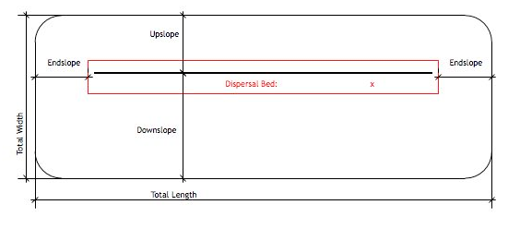

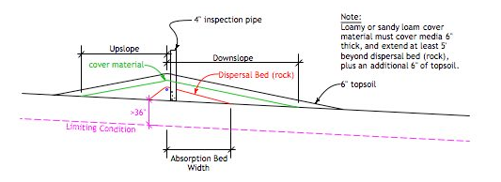

 |  | Note: For 0 to 1% slopes, Absorption Width is measured from the pipe and divided equally in both directions. For slopes > 1%, Absorption Width is measured downhill from the pipe.
 |  |  |  |  |  |  |  | Elevation based on Benchmark

 |  | Required Separation: |  |  |  | (in) |  | Elevation Limiting Layer: |  |  |  |  | ft

 | Distribution Media: |  |  |  |  |  | Elevation required Separation: |  |  |  |  |  | ft

 | Media Depth Below Pipe |  |  |  |  | (in) | Elevation Distribution Media BTM: |  |  |  |  |  | ft

 |  | Manifold Connection: |  |  |  |  |  | Lateral Pipe Diameter: |  |  |  | (in)

 |  | Perforation Size: |  |  |  | (in) |  | Perforation Spacing: |  |  |  | (in)

 |  | If Split with Non-Level Pressure Distribution Used: See Non-Level Pressure Distribution Form

4. |  | APPROXIMATE MATERIAL VOLUME CALCULATIONS: |  |  |  |  |  |  | Project ID:

 |  | If rock is used as the distribution media:
 | A. | Rock Area = Absorption Bed Length X (Additional rock upslope of lateral + Absorption Bed Width)
 |  |  |  | ft X ( | 1.0 |  | ft + |  |  | ft) = |  |  | sq.ft

 | B. | Rock Volume in Cubic Feet = Rock Area X Depth of Media (Rock) ÷ 2
 |  |  |  | sq.ft X | 0.25 |  | ft ÷ 2 = |  |  | cu.ft

 | C. | Rock Volume in Cubic Yards = Volume in Cubic Feet ÷ 27
 |  |  |  | cu.ft ÷ | 27.0 | = |  |  | cu.yd

 | D. | Add 20% for constructability: |  |  |  |  |  |  | cu.yd x 1.2 = |  |  |  | cu.yd

 | E. | Loamy or Sandy Loam Cover Material Volume:
 |  | Volume in Cubic Feet = System Width X System Length X 1.5 ÷ 2, minus rock volume
 |  |  |  | ft X |  |  | ft X 1.5 | ÷ 2 - |  |  | cu.ft =

 | F. | Loamy or Sandy Loam Cover Volume in Cubic Yards = Volume in Cubic Feet ÷ by 27
 |  |  |  | cu.ft ÷ | 27 | = |  |  | cu.yd

 | G. | Add 20% for constructability: |  |  |  |  |  | cu.yd x | 1.2 | = |  |  | cu.yd

 | H. | Topsoil Volume in Cubic Feet = System width X System Length x 0.5
 |  |  |  | ft X |  |  | ft X | 0.5 | = |  |  | cu.ft

 | I. | Topsoil Volume in Cubic Yards = Volume in Cubic Feet ÷ by 27
 |  |  |  | cu.ft ÷ | 27.0 | = |  |  | cu.yd

 | J. | Add 20% for constructability: |  |  |  |  |  | cu.yd X | 1.2 | = |  |  | cu.yd

Atgrade to be constructed to dimensions in design. This is an estimate of materials needed. Individual construction practices may vary quantities.
5. |  | Comments:

Mound ≤ 1%
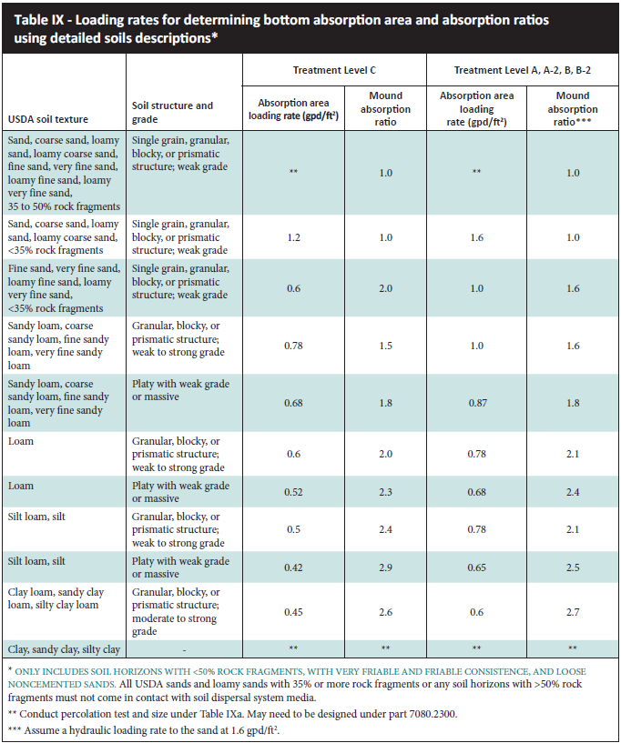
 |  |  |  |  | Mound Design Worksheet ≤ 1% Slope
1. |  | SYSTEM SIZING: |  |  |  |  |  | Project ID: |  |  |  |  |  |  | v 05.01.2026

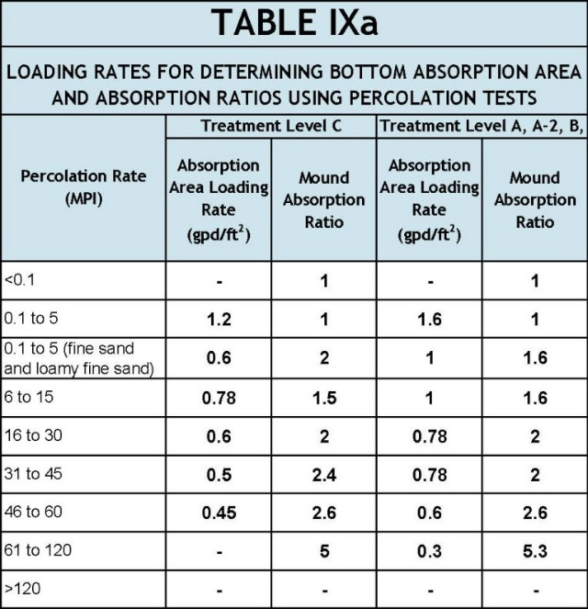
 | A. | Design Flow : |  |  |  |  |  |  | GPD

 | B. | Soil Loading Rate: |  |  |  |  |  |  | GPD/sqft

 | C. | Depth to Limiting Condition: |  |  |  |  |  |  | ft

 | D. | Percent Land Slope: |  |  |  |  |  |  | %

 | E. | Media (Sand) Loading Rate: |  |  |  |  |  |  | GPD/sqft

 | F. | Mound Absorption Ratio:

 |  |  |  |  |  |  |  |  |  | *Systems with these values are not Type I systems. Contour Loading Rate (linear loading rate) is a recommended value.

2. |  | DISPERSAL MEDIA SIZING

 | A. | Hydraulic Absorption Required Bottom Area: Design Flow (1A) ÷ Design Media Loading Rate(1E)
 |  |  |  |  | GPD ÷ |  |  |  | GPD/sqft = |  |  |  | sq.ft

 | Optional Upsizing of Dispersal Media Area
 | B. | Larger Area Size or Organic Sizing of Area (see organic loading sheet - 2G) |  |  |  |  |  |  |  |  |  |  | sq.ft

 | C. | Designed Dispersal Media Area: |  |  |  |  |  |  | sq.ft | Larger of 2A or 2B

 | D. | Enter Dispersal Bed Width: |  |  |  |  |  |  | ft | Can not exceed 10 feet.
 | E. | Calculate Contour Loading Rate: Bed Width(2D) X Design Media Loading Rate (1E)
 |  |  |  |  | ft X |  |  | GPD/sq.ft = |  |  |  | gal/ft |  | Can not exceed Table 1
 | F. | Calculate Minimum Dispersal Bed Length: Dispersal Media Area(2C) ÷ Bed Width (2D)
 |  |  |  |  | sqft ÷ |  |  | ft = |  |  | ft

 |  | If a longer dispersal media is desired, enter Length(ft): |  |  |  |  |  |  |  |  |  |  |  | ft

3. |  | ABSORPTION AREA SIZING

 | A. | Calculate Absorption Width: Bed Width(2D) X Mound Absorption Ratio(1F)
 |  |  |  |  | ft X |  |  | = |  |  | ft

 | B. | For slopes from 0 to 1%, the Absorption Width is measured from the bed equally in both directions.
 |  | Absorption Width Beyond the Bed: Absorption Width(3A) - Bed Width(2D) ÷ 2
 |  | ( |  |  | ft - |  |  | ft) ÷ | 2.0 | = |  |  | ft

4. |  | DISTRIBUTION MEDIA |  |  |  |  |  | Project ID:

 |  | Select Dispersal Media: |  |  |  |  |  |  |  |  | Enter Either 4A or 4B
 | A. | Rock Depth Below Distribution Pipe

 |  |  |  | in |  |  |  |  |  |  |  |  |  |  |  |  |  | Product Total Height (inches)
 |  |  |  |  |  |  |  |  |  |  |  | Check registered product information for specific application details and design

 | B. | Registered Media |  |  |  |  |  |  |  |  |  |  |  |  |  |  |  | Chamber | 12
 |  |  |  |  |  |  |  |  |  |  |  |  |  |  |  |  |  | Chamber Low Profile | 8
 |  |  | Registered Media Height |  |  |  |  |  | in
 |  | Specific Media Comments: |  |  |  |  |  |  |  |  |  |  |  |  |  |  |  | EzFlow | 12
 |  |  |  |  |  |  |  |  |  |  |  |  |  |  |  |  |  | Eljen GSF | 16

5. |  | MOUND SIZING

 | A. | Clean Sand Lift: Required Separation - Depth to Limiting Condition = Clean Sand Lift (1 ft minimum)

 |  |  | ft - |  |  | ft = |  |  | ft | Design Sand Lift (optional): |  |  |  |  |  |  | ft

 | B. | Upslope Height = Clean Sand Lift(5A) + Depth of Media(4AorB) + Depth to Cover Pipe(0.33ft) + Depth of Cover (1 ft)
 |  |  |  | ft + |  |  | ft + |  |  | ft + |  |  | ft = |  |  | ft |  | If registered media depth to cover pipe is 0

 | C. | Berm Width = Upslope Mound Height(5B) X Finished Slope (4 is recommended, but could be 3-12)
 |  |  |  | ft x |  |  | = |  |  | ft

 | D. | Total Landscape Width = Berm Width(5C) + Dispersal Bed Width(2D) + Berm Width(5C)
 |  |  |  | ft + |  |  | ft + |  |  | ft = |  |  | ft

 | E. | Additional Berm Width if necessary for absorption area - Absorption Width(3A) -Total Landscape Width(5D)
 |  |  |  | ft - |  |  | ft = |  |  | ft | if number is negative (<0), value is ZERO

 | F. | Final Berm Width = Additional Berm Width(5E) + Berm Width(5C)
 |  |  |  | ft + |  |  | ft = |  |  | ft

 | G. | Total Mound Width = Final Berm Width(5F) + Dispersal Bed Width(2D) + Final Berm Width(5F)
 |  |  |  | ft + |  |  | ft + |  |  | ft = |  |  | ft

 | H. | Total Mound Length = Final Berm Width(5F) + Dispersal Bed Length(2F) + Final Berm Width(5F)
 |  |  |  | ft + |  |  | ft + |  |  | ft = |  |  | ft

 | I. | Setbacks from the Bed: Absorption Width (3A) - Dispersal Bed Width(2D) divided by 2
 | ( |  |  | ft - |  |  | ) / | 2.0 | = |  |  | ft

6. |  | MOUND DIMENSIONS (Feet) |  |  |  |  |  | Project ID:

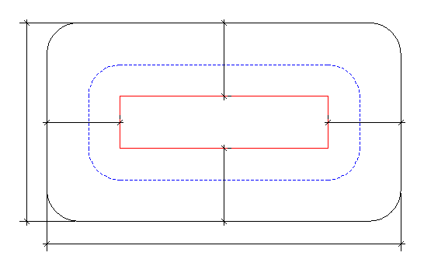

Total Mound Width
Upslope

Endslope
Dispersal Bed
X
Endslope

Distribution Area
sq.ft

Downslope

Total Mound Length

4" inspection pipe
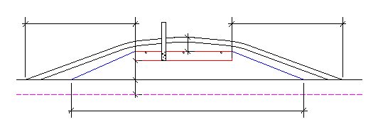
18" cover on top

Upslope berm
Downslope berm

Clean sand lift (6.A)

Depth to Limiting
Limiting Condition

Absorption Width

 |  |  |  |  |  |  |  |  |  |  |  | Elevation based on Benchmark

 |  | Required Separation |  |  |  |  |  | (in) |  | Elevation Limiting Layer: |  |  |  |  |  |  | ft

 |  | Distribution Media |  |  |  |  |  |  |  | Elevation required Separation: |  |  |  |  |  |  | ft

 |  | Media Depth Below Pipe |  |  |  |  |  | (in) | Elevation Distribution Media Bottom: |  |  |  |  |  |  |  | ft

 |  | Manifold Connection |  |  |  |  |  |  | Lateral Pipe Diameter: |  |  |  |  | (in)

 |  | Perforation Size: |  |  |  |  | (in) |  | Perforation Spacing: |  |  |  |  | (in)

 |  | If Split and Non-Level Pressure Distribution Used: See Non-Level Pressure Distribution Form
 | Comments:

Mound>1%
 |  |  |  |  | Mound Design Worksheet >1% Slope
1. |  | SYSTEM SIZING: |  |  |  |  |  | Project ID: |  |  |  |  |  |  |  |  |  | v 05.01.2026

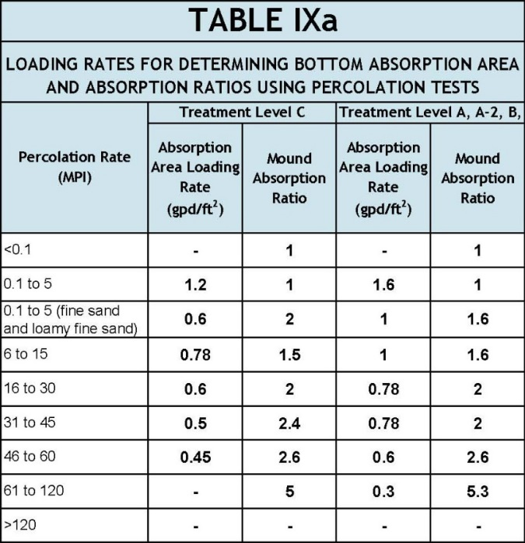
 | A. | Design Flow: |  |  |  |  |  |  | GPD

 | B. | Soil Loading Rate: |  |  |  |  |  |  | GPD/sqft

 | C. | Depth to Limiting Condition |  |  |  |  |  |  | ft

 | D. | Percent Land Slope: |  |  |  |  |  |  | %

 | E. | Media (Sand) Loading Rate: |  |  |  |  |  |  | GPD/sqft

 | F. | Mound Absorption Ratio:

 |  |  |  |  |  |  |  |  |  | *Systems with these values are not Type I systems. Contour Loading Rate (linear loading rate) is a recommended value.

2. |  | DISPERSAL MEDIA SIZING
 | A. | Hydraulic Absorption Required Bottom Area: Design Flow (1A) ÷ Design Media Loading Rate(1E)
 |  |  |  |  | GPD ÷ |  |  |  | GPD/sqft = |  |  |  | sq.ft

 | Optional Upsizing of Dispersal Media Area
 | B. | Larger Area Size or Organic Sizing of Area (see organic loading sheet - 2G) |  |  |  |  |  |  |  |  |  |  | sq.ft

 | C. | Designed Dispersal Media Area: |  |  |  |  | 0.0 |  | sq.ft | Larger of 2A or 2B

 | D. | Enter Dispersal Bed Width: |  |  |  |  |  |  | ft | Can not exceed 10 feet
 | E. | Calculate Contour Loading Rate: Bed Width(2D) X Design Media Loading Rate(1E)
 |  |  |  |  | ft X |  |  | GPD/sqft = |  |  |  | gal/ft |  | Can not exceed Table 1
 | F. | Calculate Minimum Dispersal Bed Length: Dispersal Bed Area(2C) ÷ Bed Width(2D)
 |  |  |  |  | sqft ÷ |  |  | ft = |  |  | ft

 | If a longer dispersal media is desired, enter Length(ft): |  |  |  |  |  |  |  |  |  |  |  | ft

3. |  | ABSORPTION AREA SIZING

 | A. | Calculate Absorption Width: Bed Width(2D) X Mound Absorption Ratio(1F)
 |  |  | 0.0 |  | ft X | 0.0 |  | = | 0.0 |  | ft

 | B. | For slopes >1%, the Absorption Width is measured downhill from the upslope edge of the Bed.
 |  | Calculate Downslope Absorption Width: Absorption Width(3A) - Bed Width(2D)
 |  |  |  |  |  |  | 0.0 |  | ft - | 0.0 |  | ft = |  |  | ft

4. |  | DISTRIBUTION MEDIA: |  |  |  |  |  |  | Project ID:

 |  | Select Dispersal Media: |  |  |  |  |  |  |  |  | Enter Either 4A or 4B
 | A. | Rock Depth Below Distribution Pipe

 |  |  |  | in |  |  |  |  |  |  |  |  |  |  |  |  |  |  |  | Product Total Height (inches)
 |  |  |  |  |  |  |  |  |  |  |  | Check registered product information for specific application details and design

 | B. | Registered Media |  |  |  |  |  |  |  |  |  |  |  |  |  |  |  |  |  | Chamber | 12
 |  |  |  |  |  |  |  |  |  |  |  |  |  |  |  |  |  |  |  | Chamber Low Profile | 8
 |  |  | Registered Media Depth |  |  |  |  |  | in
 |  | Specific Media Comments: |  |  |  |  |  |  |  |  |  |  |  |  |  |  |  |  |  | EzFlow | 12
 |  |  |  |  |  |  |  |  |  |  |  |  |  |  |  |  |  |  |  | Eljen GSF | 16

5. |  | MOUND SIZING |  |  |  |  |  |  |  |  |  | Project ID:
 | A. | Clean Sand Lift: Required Separation - Depth to Limiting Condition = Clean Sand Lift (1 ft minimum)
 |  | 0.00 | ft - |  |  | ft = |  |  | ft | Design Sand Lift (optional): |  |  |  |  |  |  | ft
 | B. | Upslope Height = Clean Sand Lift(5A) + Depth of Media(4AorB) + Depth to Cover Pipe(0.33ft) + Depth of Cover (1 ft)
 |  |  |  | ft + |  |  | ft + |  |  | ft + |  |  | ft = |  |  | ft |  |  | If registered media depth to cover pipe is 0

 | C. | Select Upslope Berm Multiplier (based on land slope):
 | D. | Calculate Upslope Berm Width: Multiplier (5C) X Upslope Mound Height (5B)
 |  |  |  |  |  |  | 0.00 |  | X |  |  | ft = |  |  | ft
 | E. | Calculate Drop in Elevation Under Bed: Bed Width(2D) X Land Slope(1D) ÷ 100 = Drop (ft)
 |  |  |  |  |  |  | 0.00 |  | ft X |  |  | % ÷ 100 = |  |  |  | ft
 | F. | Calculate Downslope Mound Height: Upslope Height(5B) + Drop in Elevation(5E)
 |  |  |  |  |  |  |  |  | ft + |  |  | ft = |  |  | ft

 | G. | Select Downslope Berm Multiplier (based on land slope):
 | H. | Calculate Downslope Berm Width: Downslope Multiplier(5G) X Downslope Height (5F)
 |  |  |  |  |  |  | 0.00 |  | x |  |  | ft = |  |  | ft
 | I. | Calculate Minimum Berm to Cover Absorption Area: Downslope Absorption Width(3B) + 4 feet
 |  |  |  |  |  |  |  |  | ft + |  |  | ft = |  |  | ft

 | J. | Design Downslope Berm = greater of 5H and 5I: |  |  |  |  |  |  |  | 0.00 |  | ft

 | K. | Select Endslope Berm Multiplier: |  |  |  |  |  |  |  |  |  |  |  | (usually 3.0 or 4.0)
 | L. | Calculate Endslope Berm Width = Endslope Berm Multiplier(5K) X Downslope Mound Height(5F)
 |  |  |  |  |  |  | 0.00 |  | X |  |  | ft = |  |  | ft
 | M. | Calculate Mound Width: Upslope Berm Width(5D) + Bed Width(2D) + Downslope Berm Width(5J)
 |  |  |  |  |  |  |  | ft + | 0.00 |  | ft + | 0.00 |  | ft = |  |  | ft
 | N. | Calculate Mound Length: Endslope Berm Width (5L) + Bed Length(2F) + Endslope Berm Width(5L)
 |  |  |  |  |  |  |  | ft + | 0.00 |  | ft + |  |  | ft = |  |  | ft

6. |  | MOUND DIMENSIONS (Feet) |  |  |  |  |  | Project ID:
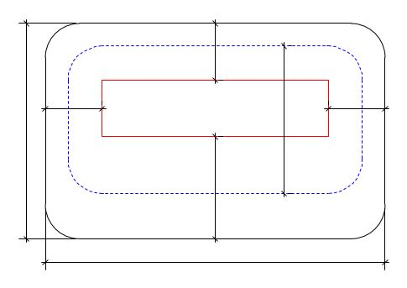

Upslope

Dispersal Bed:
Total Mound Width
Endslope
Endslope
X
Clean Sand
Distribution Area
sq.ft

Downslope

Total Mound Length

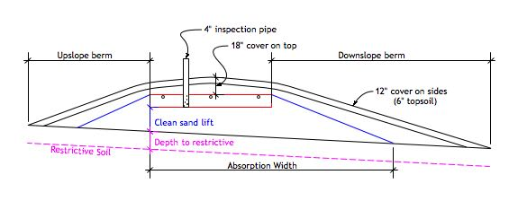

Clean Sand

 |  |  |  |  |  |  |  |  |  |  |  |  |  | Elevation to Benchmark
 |  | Required Separation: |  |  |  |  |  | (in) |  |  | Elevation Limiting Layer: |  |  |  |  |  |  | ft

 |  | Distribution Media: |  |  |  |  |  |  |  |  | Elevation required Separation: |  |  |  |  |  |  | ft

 |  | Media Depth Below Pipe |  |  |  |  | (in) |  |  | Elevation Distribution Media Bottom: |  |  |  |  |  |  |  | ft

 |  | Manifold Connection: |  |  |  |  |  |  | Lateral Pipe Diameter: |  |  |  |  | (in)

 |  | Perforation Size: |  |  |  |  | (in) |  | Perforation Spacing: |  |  |  |  | (in)

 |  | If Split and Non-Level Pressure Distribution Used: See Non-Level Pressure Distribution Form
 | Comments:

Pres. Dist. STA
 |  |  | Pressure Distribution Design Worksheet
 |  |  |  |  |  |  | Project ID: |  |  |  |  |  |  |  |  | v 05.01.2026

1. | Media Bed Width: |  |  |  |  |  |  |  | ft

2. | Media Bed Length: |  |  |  |  |  |  |  | ft
3. | Minimum Number of Laterals in system/zone = Rounded up number of [(Media Bed Width(1.) - 4) ÷ 3] + 1.

 |  | [( |  |  | - 4 ) ÷ 3] + 1 = |  |  |  |  | laterals |  | Does not apply to at-grades

4. | Designer Selected Number of Laterals: |  |  |  |  |  |  |  | laterals
 | Cannot be less than line 2 (Except in at-grades)

5. | Lateral spacing in Bed; Must be greater than 1 foot and no more than 3 feet: |  |  |  |  |  |  |  |  |  |  |  |  |  |  | ft

6. | Length of Laterals = Media Bed Length(2.) - 2 Feet.

 |  | - | 2ft | = |  |  | ft | Perforation can not be closer than 1 foot from edge.

7. | Select Perforation Spacing: |  |  |  |  |  |  |  | ft

8. | Determine the Number of Perforation Spaces. Divide the Length of Laterals(6.) by the Perforation Spacing(7.) and round down to the nearest whole number.

 | Number of Perforation Spaces= |  |  |  |  |  | ft | ÷ |  |  | ft | = |  |  | Spaces

9. | Number of Perforations per Lateral is equal to 1.0 plus the Number of Perforation Spaces(8.). Check table below to verify the number of perforations per lateral guarantees less than a 10% discharge variation. The value is double with a center manifold.

 | Perforations Per Lateral = |  |  |  |  |  |  | Spaces + 1 = |  |  |  |  | Perfs. Per Lateral

10. | Select Perforation Diameter Size: |  |  |  |  |  |  |  | in |  |  | 0.00

11. | Select Lateral Diameter (See Table): |  |  |  |  |  |  |  | in
 |  |  |  |  |  |  |  |  |  | If Center Manifold Connection the max number of perfs per lateral in the table can be doubled.
12. | Select Manifold Connection (End or Center):

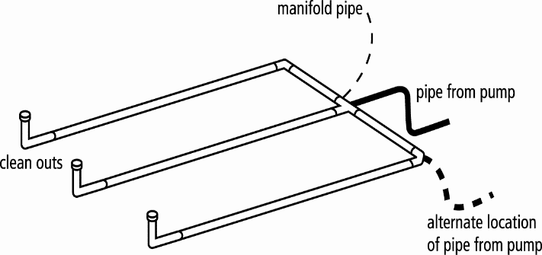
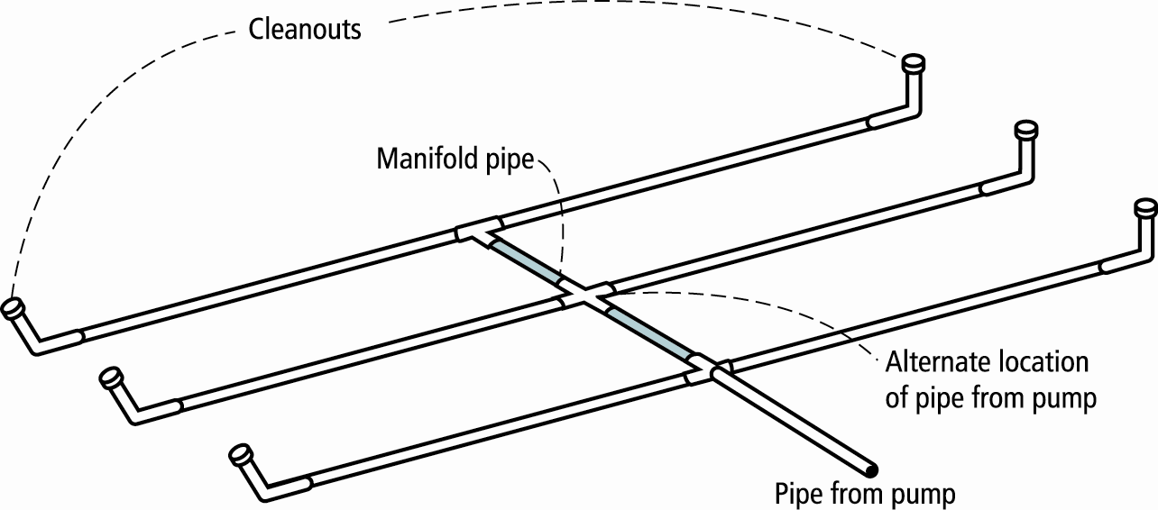

 | END Connection |  |  |  |  |  |  |  | CENTER Connection
 | Perf Per Lateral: |  |  |  |  |  | Perf Per Lateral Equal Split: |  |  |  |  |  | |

 |  |  |  |  |  | OPTIONAL Perf Per Lateral Non-Equal Split*: |  |  |  |  |  |  |  | |
 |  |  |  |  |  |  | * must not exceed maximum number perfs per lateral in table

End Feed Lateral Min Diameter: |  |  |  |  |  |  |  | Center Feed Lateral Min Diameter:

13. | Total Number of Perforations equals the Number of Perforations per Lateral (9.) multiplied by the Number of Perforated Laterals.(4.)

 |  | Perf. Per Lat. X |  |  |  |  | Number of Perf. Lat. = |  |  |  |  |  | Total Number of Perf.

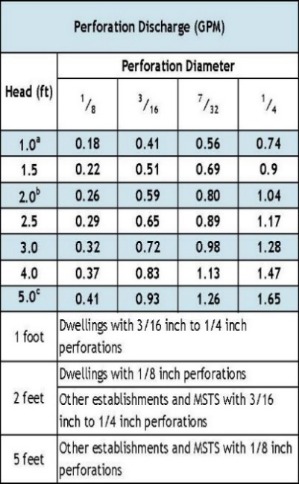

14. | Calculate the Square Feet per Perforation.
 | Recommended value is 4-11 ft2 per perforation, Does not apply to At-Grades
a. | Bed Area = Bed Width (ft)(1.) X Bed Length (ft)(2.)

 |  | ft X |  |  | ft = |  |  | sq.ft

b. | Square Foot per Perforation = Bed Area(14a) ÷ by Total Number of Perfs (13)

 |  | sqft ÷ |  |  | perf = |  |  | sq.ft/perf

15. | Select Minimum Average Head: |  |  |  |  |  |  | ft

16. | Select Perforation Discharge based on Table: |  |  |  |  |  |  |  |  | GPM per Perf

17. | Flow Rate = Total Number of Perfs(13.) X Perforation Discharge(16.)

 |  | Perfs X |  |  |  | GPM per Perforation = |  |  |  |  |  | GPM

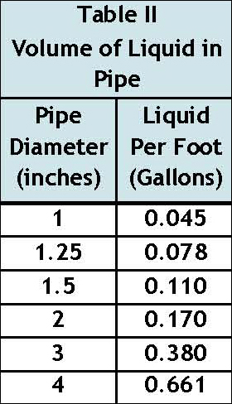
18. | Volume of Liquid Per Foot of Distribution Piping (Table II): |  |  |  |  |  |  |  |  |  |  | Gallons/ft

19. | Volume of Distribution Piping = |  |  |  | Number of Perforated Laterals(4.) X Length
 | of Laterals(6.) X Volume of Liquid Per Foot of Distribution Piping (18.)

 |  | X |  |  | ft X |  |  | gal/ft = |  |  |  | Gallons

20. | Minimum Delivered Volume = Volume of Distribution Piping (19.) X 4

 |  | gal X 4 = |  |  |  |  | Gallons

21. | Maximum Delivered Volume = Design flow x 25%

 |  | gpd X 25% = |  |  |  |  | Gallons

22. | Minimum Delivered vs Maximum Delivered evaluation:

Comments/Special Design Considerations:

Non-Level STA
 |  |  |  | Non-Level & Unequal Pressure Distribution Design Worksheet
 |  |  |  |  |  |  |  | Project ID: |  |  |  |  |  |  |  |  | v 05.01.2026

1. | Enter soil treatment area (STA) length in order of the Highest Elevation to the Lowest Elevation:

 | Lateral 1 |  | Pipe Elevation |  |  |  | ft | Length of STA from manifold |  |  |  |  |  | ft | Highest

 | Lateral 2 |  | Pipe Elevation |  |  |  | ft |  | Length of STA |  |  |  |  | ft

 | Lateral 3 |  | Pipe Elevation |  |  |  | ft |  | Length of STA |  |  |  |  | ft

 | Lateral 4 |  | Pipe Elevation |  |  |  | ft |  | Length of STA |  |  |  |  | ft

 | Lateral 5 |  | Pipe Elevation |  |  |  | ft |  | Length of STA |  |  |  |  | ft

 | Lateral 6 |  | Pipe Elevation |  |  |  | ft |  | Length of STA |  |  |  |  | ft | Lowest

2. | Calculate Change in Elevation over the laterals
 | = Highest Elevation (Lateral 1) - Lowest Elevation (Last Lateral above) |  |  |  |  |  |  |  |  |  |  |  | ft - |  |  | ft = |  |  | ft

3. | Select Minimum Average Head: |  |  |  |  |  |  | ft
 | Use 1.0 ft for dwellings using 3/16 to 1/4 inch perforations.
 | Use 2.0 ft for dwellings using 1/8 inch perforations; or, for MSTS or other establishments using 3/16 to 1/4 inch perforations.
 | This worksheet cannot be used for a Minimum Average Head of 5.0 feet. Design must be modified or valving must be used to equalize flow.

4. | Calculate the Total Head = Minimum Average Head (3.) + Change in Elevation (2.)

 |  |  | ft + |  |  | ft = |  |  | ft

5. | Calculate Pressure Head for Each Lateral
 | A. Highest trench elevation (Pipe Elevation 1): Pressure Head equals Minimum Average Head (3.)
 | B. All other trenches: Pressure Head equals Minimum Average Head (3.) plus the Change in Elevation from Lateral 1.

 |  | Minimum Average Head |  |  |  | Elevation of Lateral 1 |  |  | Elevation of Lateral |  |  | Pressure Head

 | Lat 1 |  |  |  | ft + [ |  |  | ft - |  |  | ft] = |  |  |  | ft
 |  |  |  |  |  |  |  | `
 | Lat 2 |  |  |  | ft + [ |  |  | ft - |  |  | ft] = |  |  |  | ft

 | Lat 3 |  |  |  | ft + [ |  |  | ft - |  |  | ft] = |  |  |  | ft

 | Lat 4 |  |  |  | ft + [ |  |  | ft - |  |  | ft] = |  |  |  | ft

 | Lat 5 |  |  |  | ft + [ |  |  | ft - |  |  | ft] = |  |  |  | ft

 | Lat 6 |  |  |  | ft + [ |  |  | ft - |  |  | ft] = |  |  |  | ft

6. | Determine the Flow Rate per Hole
 | Select a Perforation Diameter and the corresponding gallons per minute from the Perforation Discharge table below, adjusting as needed.
 |  |  |  |  |  |  |  |  |  |  |  | c=0.60; d=perforation diameter; h=pressure head
 | or Calculate Perforation Discharge (Q) in GPM:

 | Lat 1 | Pressure Head |  |  |  |  | ft Perforation Diameter |  |  |  |  |  | = |  |  | GPM |  | Highest

 | Lat 2 | Pressure Head |  |  |  |  | ft Perforation Diameter |  |  |  |  |  | = |  |  | GPM

 | Lat 3 | Pressure Head |  |  |  |  | ft Perforation Diameter |  |  |  |  |  | = |  |  | GPM

 | Lat 4 | Pressure Head |  |  |  |  | ft Perforation Diameter |  |  |  |  |  | = |  |  | GPM

 | Lat 5 | Pressure Head |  |  |  |  | ft Perforation Diameter |  |  |  |  |  | = |  |  | GPM

 | Lat 6 | Pressure Head |  |  |  |  | ft Perforation Diameter |  |  |  |  |  | = |  |  | GPM |  | Lowest

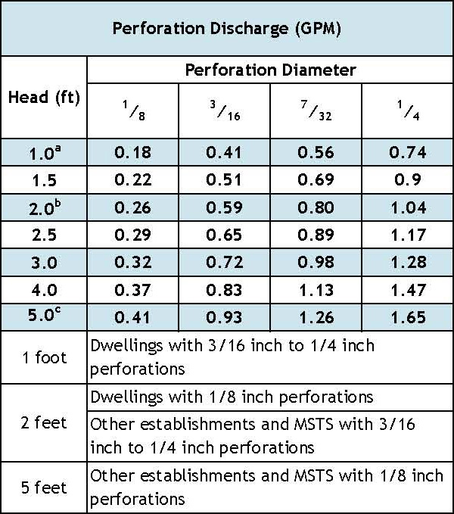
7. | Calculate Flow in Gallons Per Minute for Lateral 1

A. | Select Perforation Spacing: |  |  |  |  |  | feet | = |  |  | inches

B. | Length of Laterals = Length of STA (Line 1) - 2 Feet

 |  |  | - 2 ft =

C. | Number of Perforation Spaces = Divide the Length of Lateral 1 (7.B) by the Perforation Spacing (Line 7.A) and round down to the nearest whole number. Check Table II to ensure the maximum number of perforations is not exceeded.

 |  |  | ft/ |  |  | ft = |  |  | Spaces

D. | Select Type of Manifold Connection (End or Center):

E. | Number of Perforations =Number of Perforation Spaces (Line 11) + 1.
 |  |  | Spaces +1 =

F. | Flow Rate for Lateral 1 = Number of Perforations X Flow Rate Per Hole for Lateral 1

 |  |  | X |  |  | = |  |  | GPM for Lateral 1

8. | Calculate the Gallons Per Minute Per Foot for Lateral 1. This value will then be used to make sure that the gallons per minute per foot is equivalent in each lateral

 | Gallons Per Length = |  |  | Flow Rate for Lateral 1 divided by Length of Lateral 1

 |  |  | ÷ |  | = |  |  | GPM/Foot

9. | Balance flows for other lateral lengths, spacing, and size.
 | If you end up with large perforation spacing (3' is max) lower the initial spacing for Lateral 1 (7.A) or the perforation size (6.)

 | Lateral 2 GPM = (Length of Lateral - 2) X Gallons Per Minute Per Foot (8.)

 |  |  | ft X |  |  | GPM/ft= |  |  |  | GPM | Cannot have Decimal Perforations. Truncate the answer. Check Table to ensure the maximum number of perforations is not exceeded.

 | Number of Perforations = GPM/Flow Rate for Lateral 2 (6.)

 |  |  | ÷ |  |  | = |  |  | Perforations |  | Select Type of Manifold Connection (End or Center):

 | Spacing = (Length of Lateral)/(Number of Perforations -1)

( |  |  | ) ÷ ( |  |  |  | Perforations-1) |  |  |  | = |  | ft | = |  |  | inches

 | Lateral 3 GPM = (Length of Lateral - 2) X Gallons Per Minute Per Foot (8.)

 |  |  | ft X |  |  | GPM/Ft= |  |  |  | GPM

 | Number of Perforations = GPM/Flow Rate for Lateral 3 (6.) |  |  |  |  |  |  |  |  |  | Check Table to ensure the maximum number of perforations is not exceeded.

 |  |  | ÷ |  |  | = |  |  | Perforations |  | Select Type of Manifold Connection (End or Center):

 | Spacing = (Length of Lateral)/(Number of Perforations -1)

( |  |  | ) ÷ ( |  |  |  | Perforations-1) |  |  |  | = |  | ft | = |  |  | inches

 | Lateral 4 GPM = (Length of Lateral - 2) X Gallons Per Minute Per Foot (8.)

 |  |  | ft X |  |  | GPM/Ft= |  |  |  | GPM

 | Number of Perforations = GPM/Flow Rate for Lateral 4 (6.) |  |  |  |  |  |  |  |  |  | Check Table to ensure the maximum number of perforations is not exceeded.

 |  |  | ÷ |  |  | = |  |  | Perforations |  | Select Type of Manifold Connection (End or Center):

 | Spacing = (Length of Lateral)/(Number of Perforations -1)

( |  |  | ) ÷ ( |  |  |  | Perforations-1) |  |  |  | = |  | ft | = |  |  | inches

 | Lateral 5 GPM = (Length of Lateral - 2) X Gallons Per Minute Per Foot (8.)

 |  |  | ft X |  |  | GPM/Ft= |  |  |  | GPM
 |  |  |  |  |  |  |  |  |  |  | Check Table to ensure the maximum number of perforations is not exceeded.
 | Number of Perforations = GPM/Flow Rate for Lateral 5 (6.)

 |  |  | ÷ |  |  | = |  |  | Perforations |  | Select Type of Manifold Connection (End or Center):

 | Spacing = (Length of Lateral)/(Number of Perforations -1)

( |  |  | ) ÷ ( |  |  |  | Perforations-1) |  |  |  | = |  | ft | = |  |  | inches

 | Lateral 6 GPM = Length of Lateral X Gallons Per Minute Per Foot (8.)

 |  |  | ft X |  |  | GPM/Ft= |  |  |  | GPM
 |  |  |  |  |  |  |  |  |  |  | Check Table to ensure the maximum number of perforations is not exceeded.
 | Number of Perforations = GPM/Flow Rate for Lateral 6 (6.)

 |  |  | ÷ |  |  | = |  |  | Perforations |  | Select Type of Manifold Connection (End or Center):

 | Spacing = (Length of Lateral)/(Number of Perforations -1)

( |  |  | ) ÷ ( |  |  |  | Perforations-1) |  |  |  | = |  | ft | = |  |  | inches

10. | Calculate Total GPM for system - the total GPM need from the pump.

 | Lateral 1 Flow + Lateral 2 Flow + Lateral 3 Flow+ Lateral 4 Flow + Lateral 5 Flow + Lateral 6 Flow

 |  | + |  | + |  | + |  | + |  | + |  | = |  |  | Total GPM

11. | Summary

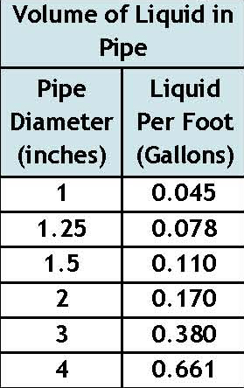
 | Enter the minimum pipe size that allows for even distribution and the volume of liquid in the pipe from the table.

 |  |  | Pipe Size (in) |  | Pipe Volume (gal/ft) |  | Pipe Length (ft) |  | Total Volume to Fill Pipe (gal) |  | Perforation Size (in) |  | Spacing (ft)*

 |  |  |  |  |  |  |  |  |  |  |  |  | ft | in
 | Lateral 1 |  |  |  |  |  |  |  |  |  |  |  |  |  | Highest
 | Lateral 2
 | Lateral 3
 | Lateral 4
 | Lateral 5
 | Lateral 6 |  |  |  |  |  |  |  |  |  |  |  |  |  | Lowest
 |  |  |  | Total Volume of Distribution Piping = |  |  |  |  |  |  |  |  | * Spacing must not exceed 3 ft
Min. Delivered Dose Volume = Four X the Total Volume of Piping =
Max. Delivered Dose Volume = Design Flow X 0.25 =
Comments/Special Design Considerations:

Pump-Basic STA
 |  |  | Basic STA Pump Selection Design Worksheet
1. | PUMP CAPACITY |  |  |  |  |  | Project ID: |  |  |  |  |  |  |  |  |  | v 05.01.2026

 | Pumping to Gravity or Pressure Distribution:

A. | If pumping to gravity enter the gallon per minute of the pump: |  |  |  |  |  |  |  |  |  | GPM | (10 - 45 gpm)

B. | If pumping to a pressurized distribution system: |  |  |  |  |  |  |  |  |  | GPM

C. | Enter pump description:

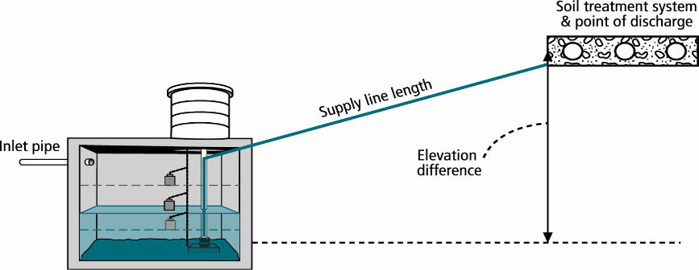
2. HEAD REQUIREMENTS

A. | Elevation Difference |  |  |  |  | ft
 | between pump and point of discharge:

B. | Distribution Head Loss: |  |  |  |  | ft

C. | Additional Head Loss*: |  |  |  |  | ft (due to special equipment, etc.)
 | * Common additional head loss: gate valve = 1 ft each, globe valve = 1.5 ft each, splitter valve = see manufacturers details
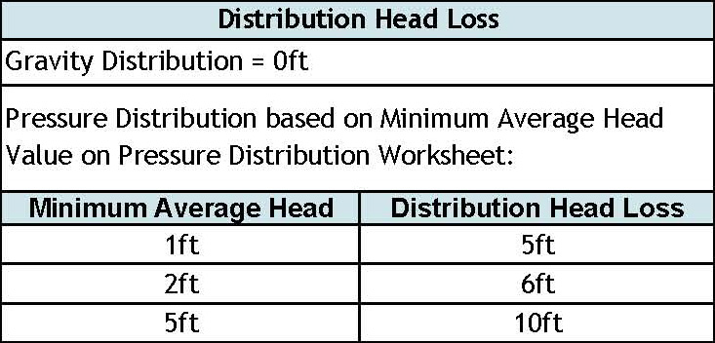

D. | 1. Supply Pipe Diameter: |  |  |  |  | in

 | 2. Supply Pipe Length: |  |  |  |  | ft

E. | Friction Loss in Plastic Pipe per 100ft from Table I:

 | Friction Loss = |  |  |  | ft per 100ft of pipe

F. | Determine Equivalent Pipe Length from pump discharge to soil dispersal area discharge point. Estimate by adding 25% to supply pipe length for fitting loss. Supply Pipe Length X 1.25 = Equivalent Pipe Length

 |  | ft | X | 1.25 | = |  |  | ft

G. | Calculate Supply Friction Loss by multiplying Friction Loss Per 100ft(E.) by the Equivalent Pipe Length(F.) and divide by 100.
 | Supply Friction Loss =
 |  | ft per 100ft |  |  | X |  |  | ft | ÷ | 100 | = |  |  | ft

H. | Total Head requirement is the sum of the Elevation Difference(2A) + Distribution Head Loss(2B) + Additional Head Loss(2C) + Supply Friction Loss(2G)

 |  | ft | + |  |  | ft | + |  |  | ft + |  |  | ft = |  |  | ft

3. PUMP SELECTION
A pump must be selected to deliver at least |  |  |  |  |  |  |  | GPM with at least |  |  |  |  |  |  | feet of total head.

Comments:

 |  |  |  |  |  |  |  |  |  |  |  |  |  |  |  |  |  | Fitting Type | 1.5 | 2 | 3
 |  |  |  |  |  |  |  |  |  |  |  |  |  |  |  |  |  | Gate Valve | 1.07 | 1.38 | 2.04
 |  |  |  |  |  |  |  |  |  |  |  |  |  |  |  |  |  | 90 Deg Elbow | 4.03 | 5.17 | 7.67
 |  |  |  |  |  |  |  |  |  |  |  |  |  |  |  |  |  | 45 Deg Elbow | 2.15 | 2.76 | 4.09
 |  |  |  |  |  |  |  |  |  |  |  |  |  |  |  |  |  | Tee - Flow Thru | 2.68 | 3.45 | 5.11
 |  |  |  |  |  |  |  |  |  |  |  |  |  |  |  |  |  | Tee - Branch Flow | 8.05 | 10.30 | 15.30
 |  |  |  |  |  |  |  |  |  |  |  |  |  |  |  |  |  | Swing Check Valve | 13.40 | 17.20 | 25.50
 |  |  |  |  |  |  |  |  |  |  |  |  |  |  |  |  |  | Angle Valve | 20.10 | 25.80 | 38.40
 |  |  |  |  |  |  |  |  |  |  |  |  |  |  |  |  |  | Globe Valve | 45.60 | 58.60 | 86.90
 |  |  |  |  |  |  |  |  |  |  |  |  |  |  |  |  |  | Butterfly Valve | x | 7.75 | 11.50

Pump Tank STA Demand
Width
Length
Radius
STA Dosing Pump Tank Design Worksheet (Demand Dose) |  |  |  |  |  |  |  |  |  |  |  |  |  |  |  |  |  |  | To use these calculations the worksheet must be unprotected under the Review Tab
 | DETERMINE TANK CAPACITY AND DIMENSIONS |  |  |  |  |  |  |  |  | Project ID: |  |  |  |  |  |  | v 05.01.2026 |  | MEASURED TANK CAPACITY (existing tanks):

1. | A. | Design Flow: |  |  |  |  |  |  | GPD | C. Tank Use: |  |  |  |  |  |  |  | A. | Rectangle area = Length (L) X Width (W)

 | B. | Code minimum pump tank capacity: |  |  |  |  |  |  | Gal | D. Designed pump tank capacity: |  |  |  |  |  |  | Gal |  |  |  | ft | X |  |  | ft | = |  | ft2

2. | A. | Tank Manufacturer: |  |  |  |  |  |  | B. | Tank Model: |  |  |  |  |  |  |  | B. | Circle area = 3.14r2 (3.14 X radius X radius)

 | C. | Capacity from manufacturer: |  |  |  |  |  |  | Gallons |  |  | Note: Design calculations are based on this specific tank. Substituting a different tank model will change the pump float or timer settings. Contact designer if changes are necessary. |  |  |  |  |  |  |  | 3.14 X |  |  |  | 2 | ft | = |  | ft2

 | D. | Liquid depth of tank from manufacturer: |  |  |  |  |  |  | inches |  |  |  |  |  |  |  |  | C. | Calculate Gallons Per Inch. Multiply the area from 1.A or 1.B, by 7.5 to determine the gallons per foot the tank holds and divide by 12 to calculate the gallons per inch.

 | E. | Gallons per inch from manufacturer: |  |  |  |  |  |  | Gallons per inch |  |  |  |  |  |  |  |  |  |  |  | ft2 | X | 7.5 gal/ft3 ÷ 12 in/ft |  |  |  | = |  | Gallons per inch

DETERMINE DOSING VOLUME |  |  |  |  |  |  |  |  |  |  |  |  |  |  |  |  |  | D. | Calculate Total Tank Volume
3. | Calculate Volume to Cover Pump (The inlet of the pump must be at least 4-inches from the bottom of the pump tank & 2 inches of water covering the pump is recommended) |  |  |  |  |  |  |  |  |  |  |  |  |  |  |  |  |  | Depth from bottom of inlet pipe to tank bottom: |  |  |  |  |  |  |  |  |  | in
 |  |  |  |  |  |  |  |  |  |  |  |  |  |  |  |  |  |  | Total Tank Volume = Depth from bottom of inlet pipe (Line 4.A) X Gallons/Inch (Line 2)
 | (Pump and block height + 2 inches) X Gallons Per Inch(2E) |  |  |  |  |  |  |  |  |  |  |  |  |  |  |  |  |  |  |  | in | X | 0.0 |  | Gallons Per Inch = |  |  |  | Gallons
 | ( |  | in + | 2 inches) X |  |  |  | Gallons Per Inch |  |  | = |  |  | Gallons
4. | Minimum Delivered Volume = 4 X Volume of Distribution Piping:
 | -Item 19 of the Pressure Distribution STA or Item 11 of Non-level STA |  |  |  |  |  |  |  |  |  | Gallons (Minimum dose) |  |  |  |  | inches/dose
5. | Calculate Maximum Pumpout Volume (25% of Design Flow(1A))
 | Design Flow: |  |  |  | GPD | X | 0.25 | = |  |  | Gallons (Maximum dose) |  |  |  |  | inches/dose

6. | Select a pumpout volume that meets both Minimum and Maximum: |  |  |  |  |  |  |  |  |  | Gallons
7. | Calculate Doses Per Day = Design Flow(1A) ÷ Delivered Volume(6.)
 |  |  | gpd ÷ |  |  |  | gal = |  |  |  | Doses*
 |  |  |  |  |  |  |  | * Doses need to be equal to or greater than 4
8. | Calculate Drainback:
 | A. | Diameter of Supply Pipe= |  |  |  |  |  |  |  | inches

 | B. | Length of Supply Pipe = |  |  |  |  |  |  |  | feet


 | C. | Volume of Liquid Per Lineal Foot of Pipe = |  |  |  |  |  |  |  | Gallons/ft
 | D. | Drainback = Length of Supply Pipe(8B) X Volume of Liquid Per Lineal Foot of Pipe(8C)
 |  |  | ft X |  |  | gal/ft = |  |  |  | Gallons
9. | Total Dosing Volume = Delivered Volume(6.) + Drainback (8D)
 |  |  | gal + |  |  | gal = |  |  | Gallons
10. | Minimum Alarm Volume = Depth of alarm (2 or 3 inches) X gallons per inch of tank(2E)
 |  |  | in X |  |  | gal/in = |  |  |  | Gallons

DEMAND DOSE FLOAT SETTINGS |  |  |  |  | Alarm and Pump are to be wired on separate circuits and inspected by the electrical inspector
11. | Calculate Float Separation Distance using Dosing Volume.
 | Total Dosing Volume(9.) ÷ Gallons Per Inch(2E) |  |  |  |  |  |  |  |  |  |  | See sensor accuracy or float tether chart from manufacturer for setting equivalent |  |  |  |  |  | 7" min See float tether chart 3.5" sjr for float selected
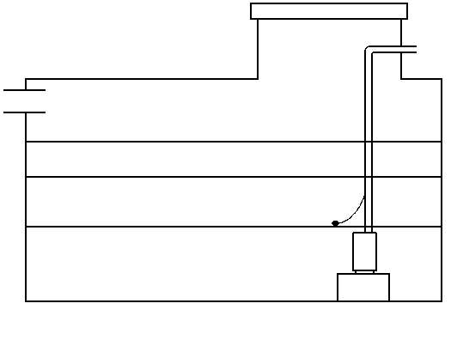
 |  |  | gal ÷ |  | 0.0 |  | gal/in = |  |  |  | inches
12. | Measuring from bottom of tank:
A. | Distance to set Pump Off Float = Pump + block height + 2 inches |  |  |  |  |  |  |  |  |  |  | Inches for Dose: |  |  | in
 |  | 0.0 | in + 2 in = |  |  |  | inches |  |  |  |  | Alarm Depth |  |  | in | Gal
B. | Distance to set Pump On Float=Distance to Set Pump-Off Float(13A) + Float Separation Distance(12.) |  |  |  |  |  |  |  |  |  |  | Pump On |  |  | in | Gal
 |  |  | in + |  |  |  | in = |  |  | inches |  | Pump Off |  |  | in | Gal
C. | Distance to set Alarm Float = Distance to set Pump-On Float(13B) + Alarm Depth (2-3 inches)(10.) |  |  |  |  |  |  |  |  |  |  |  |  |  |  | Gal
 |  |  | in + |  | 0.0 |  | in = |  |  | inches

13. | Reserve Capacity Volume = [Tank Liquid Depth(2D) - Alarm Float Depth(12C)] x gallons per inch of tank(2E)
 | [ | 0.0 | in - |  |  | in ] X | 0.0 |  | gal/in = |  |  |  | Gallons

Pump Tank STA Time
Width
Length
Radius
STA Dosing Pump Tank Design Worksheet (Time Dose) |  |  |  |  |  |  |  |  |  |  |  |  |  |  |  |  |  |  |  |  | To use these calculations you must unprotect the worksheet under the Review Tab.
 |  |  |  |  |  |  |  |  |  |  | Project ID: |  |  |  |  |  |  |  | v 05.01.2026 |  | MEASURED TANK CAPACITY (existing tanks):

DETERMINE TANK CAPACITY AND DIMENSIONS

1. | A. | Design Flow: |  |  |  |  |  |  |  | GPD | B. | Tank Use: |  |  |  |  |  |  |  | A. | Rectangle area = Length (L) X Width (W)

 | C. | Percentage of Design Flow |  |  |  | 70 | % |  |  | Gal | Up to 75% design flow is normal for Design percentage |  |  |  |  |  |  |  |  |  |  | 3.14 X |  |  |  | 2 | ft | = |  | ft2

 | D. | Code minimum pump tank capacity: |  |  |  |  |  |  |  | Gal | E. | Recommended capacity: |  |  |  |  |  | Gal |  | C. | Calculate Gallons Per Inch. Multiply the area from 1.A or 1.B, by 7.5 to determine the gallons per foot the tank holds and divide by 12 to calculate the gallons per inch.

2. | A. | Tank Manufacturer: |  |  |  |  |  |  |  |  | B. | Tank Model: |  |  |  |  |  |  |  |  |  |  | ft2 | X | 7.5 gal/ft3 ÷ 12 in/ft |  |  |  | = |  | Gallons per inch

 | C. | Capacity from manufacturer: |  |  |  |  |  |  |  | Gallons |  |  | Note: Design calculations are based on this specific tank. Substituting a different tank model will change the pump float or timer settings. Contact designer if changes are necessary. |  |  |  |  |  |  | D. | Calculate Total Tank Volume

 | D. | Liquid depth of tank from manufacturer: |  |  |  |  |  |  |  | inches |  |  |  |  |  |  |  |  |  |  | Depth from bottom of inlet pipe to tank bottom: |  |  |  |  |  |  |  |  |  | in

 | E. | Gallons per inch: |  |  |  |  |  |  |  | Gallons per inch |  |  |  |  |  |  |  |  |  |  | Total Tank Volume = Depth from bottom of inlet pipe (Line 4.A) X Gallons/Inch (Line 2)

DETERMINE DOSING VOLUME |  |  |  |  |  |  |  |  |  |  |  |  |  |  |  |  |  |  |  |  |  |  | in | X | 0.0 |  | Gallons Per Inch = |  |  |  | Gallons
3. | Volume to Cover Pump (The inlet of pump should be 4 inches from the bottom of the tank & 2 inches covering the pump recommended)
 | (Pump and block height + 2 inches) X Gallons Per Inch(2E)
 | ( |  |  | in + | 2 inches) X |  |  |  | Gallons Per Inch = |  |  |  |  | Gallons
4. | Minimum Delivered Volume = 4 X Volume of Distribution Piping: |  |  |  |  |  |  |  |  |  |  |  |  |  |  |  |  |  |  |  | DETERMINE TANK CAPACITY AND DIMENSIONS
 | -Item 19 of the Pressure Distribution or Item 11 of Non-level |  |  |  |  |  |  |  |  |  |  | Gallons (minimum dose) |  |  |  |  |  | inches/dose
5. | Calculate Maximum Pumpout Volume (25% of Design Flow)
 | Design Flow: |  |  |  |  | GPD | X | 0.25 | = |  |  | Gallons (maximum dose) |  |  |  |  |  | inches/dose

6. | Select a pumpout volume that meets both Minimum and Maximum: |  |  |  |  |  |  |  |  |  |  |  | Gallons
7. | Calculate Doses Per Day = Percentage Design Flow(1C) ÷ Delivered Volume(6.)
 |  |  |  | gpd ÷ |  |  |  | gal = |  |  |  | Doses
8. | Calculate Drainback:
 | A. | Diameter of Supply Pipe= |  |  |  |  |  |  |  |  | inches

 | B. | Length of Supply Pipe = |  |  |  |  |  |  |  |  | feet

 | C. | Volume of Liquid Per Lineal Foot of Pipe = |  |  |  |  |  |  |  |  | Gallons/ft
 | D. | Drainback = Length of Supply Pipe(8B) X Volume of Liquid Per Lineal Foot of Pipe(8C)
 |  |  |  | ft X |  |  | gal/ft = |  |  |  | Gallons
9. | Total Dosing Volume = Delivered Volume(6.) + Drainback(8D)
 |  |  |  | gal + |  |  | gal = |  |  | Gallons
10. | Working Storage Volume = Tank Volume (2C) - Volume to Cover Pump(3.) - Reserve Capacity (22.)
 |  |  | gal - |  |  | gal - |  |  | = |  |  | Gallons

11. | Required Flow Rate:
A. | From Pump Curve - Must verify after Install: |  |  |  |  |  |  |  |  | GPM* |  |  |  |  |  | *Note: This value must be adjusted after installation based on pump calibration.
B. | Calculated GPM = Change in Depth (in) x Gallons Per Inch(2E) / Time Interval in Minutes
 |  |  |  | in X |  |  |  | gal/in ÷ |  |  |  | min = |  |  | GPM

12. | Select Flow Rate from 11 A or B: |  |  |  |  |  |  |  | GPM*

NORMAL OPERATION TIMER SETTINGS*
13. | Calculate TIMER ON setting*:
 | Total Dosing Volume(9.) ÷ GPM(12.) |  |  |  |  |  |  |  |  |  |  |  |  |  |  | HR | MIN | SEC
 |  |  | gal | ÷ |  |  | gpm = |  |  |  | Minutes ON* |  |  |  |  |  |  |  | ON Time
14. | Calculated TIMER OFF setting*:
 | Minutes Per Day (1440)/Doses Per Day(7.) - Minutes On(13.) |  |  |  |  |  |  |  |  |  |  |  |  |  |  | HR | MIN | SEC
 | 1440 min ÷ |  |  | doses/day - |  |  |  |  | min | = |  |  | Minutes OFF* |  |  |  |  |  | OFF Time

OPTIONAL PEAK ENABLE DOSING* - Designers option for peak flow operation

15. | Peak Percentage of Design Flow |  |  |  |  |  |  | %
16. | Peak Pump Volume that meets both Minimum and Maximum Volume |  |  |  |  |  |  |  |  |  |  |  | gal + | Drainback |  |  |  | gal
17. | Peak Dose Volume |  |  |  |  | gal |  |  |  |  |  |  |  |  | HR | MIN | SEC
18. | Peak TIMER ON |  |  |  |  | gal ÷ |  | gpm = |  |  | min ON |  |  |  |  |  |  | Peak ON
 | *Note: This value must be adjusted after installation based on pump calibration. |  |  |  |  |  |  |  |  |  |  |  |  |  | HR | MIN | SEC
19. | Peak TIMER OFF:1440 min ÷ |  |  |  |  | doses/day - |  |  | min On |  |  |  | min Off |  |  |  |  | Peak OFF

FLOAT SETTINGS |  |  |  | Alarm and Pump are to be wired on separate circuits and inspected by the electrical inspector

20. | Pump Off Float - Measuring from bottom of tank:
 | Distance to set Pump Off Float=Gallons to Cover Pump(3.) ÷ Gallons Per Inch(2E):
 |  |  | gal ÷ |  |  |  | gal/in = |  |  |  | inches |  | Reserve Capacity |  |  |  |  | Gal
 |  |  |  |  |  |  |  |  |  |  |  | Alarm Depth |  |  | in
21. | Alarm Float - Measuring from bottom of tank (90% recommended): |  |  |  |  |  |  |  |  |  |  |  | Storage Capacity |  |  |  |  | Gal
 | Distance to set Alarm Float = Tank Depth(2D) X % of Tank Depth (90% recommended) |  |  |  |  |  |  |  |  |  |  |  |  | Normal Dose Volume |  |  |  | Gal
 |  |  | in X |  | 90 |  | % = |  |  |  | inches
 |  |  |  |  |  |  |  |  |  |  |  | Pump Off |  |  | in |  |  | Gal
22. | Reserve Capacity in gallons = Tank Depth(2D) - Alarm Depth(21.) X Gallons Per Inch(2E)
( |  |  | in - |  |  |  | in) X |  |  |  | = |  |  | gallons

Tank Buoyancy
 |  |  |  | Tank Buoyancy Worksheet
1. Tank Specifications |  |  |  |  |  |  | Project ID: |  |  |  |  |  |  |  |  | v 05.01.2026

A. | Tank Manufacturer: |  |  |  |  |  |  |  |  |  | Tank Model:

B. | Outside Tank Dimensions and Specifications: |  |  |  |  |  |  |  |  |  | Tank Use:

 | Length: |  | in | Width: |  | in | Height: |  | in | Diameter: |  |  | in

 | Length: |  | ft | Width: |  | ft | Height: |  | ft | Radius of Tank: |  |  | in

2. Outside Volume of Tank
Rectangular Tank |  |  |  |  |  |  |  |  |  | Circular Tank

A. | Area of Tank = Length (ft) X Width (ft) |  |  |  |  |  |  |  |  | A. | Area of Tank = πr2 = (3.14 X (Radius of Tank)2)

 |  |  | ft X |  |  | ft = |  |  | sq.ft |  | 3.14 X ( |  |  | ft) 2 = |  | sq.ft

B. | Volume of Tank = Area of Tank (2.A) X Height (ft) |  |  |  |  |  |  |  |  | B. | Volume of Tank = Area of Tank X Height (ft)

 |  |  | sq.ft X |  |  | ft = |  |  | cu.ft |  |  | sq.ft X |  |  | ft = |  | cu.ft

3. Force of Tank Weight (FTW)

 | Weight of Tank (provided by manufacturer) |  |  |  |  |  |  |  | lbs

4. Force of Soil Weight Over Tank (FSW)

A. | Depth of Cover Over Tank: |  |  |  |  | in |  | ft |  |  |  |  | Soil Type |  | Weight of Soil (lbs/ft3)

B. | Weight of Soil Per Cubic Foot: |  |  |  |  |  |  | lbs/cu.ft

C. | Volume of Soil Over Tank = Depth of Cover(4A) (ft) X Area of Tank(2A) (ft2) |  |  |  |  |  |  |  |  |  |  |  | Sandy |  | 120

 |  | ft X |  |  | sq.ft = |  |  | cu.ft |  |  |  |  | Loamy |  | 100

D. | Weight of Soil Over Tank = Volume of Soil Over Tank(4C) X Weight of Soil Per Cubic Foot |  |  |  |  |  |  |  |  |  |  |  | Clay |  | 90

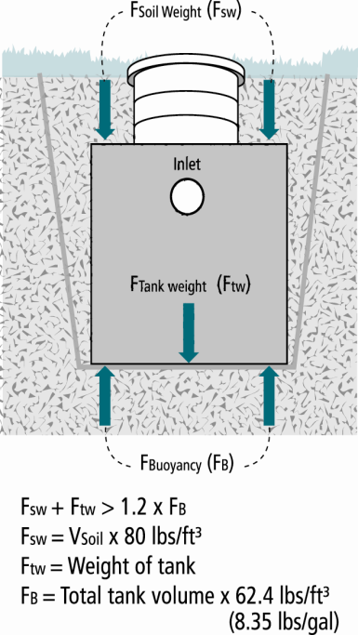
 |  | cu.ft X |  | lbs/cu.ft = |  |  |  | lbs | Note: Assumes saturation does not get over the lid of the tank

5.Buoyant Force (FB)

 | Buoyant Force (FB) = Outside Volume of Tank(2B) X Weight of Water Per Cubic Foot (62.4 lbs/ft3) X 1.2 (Safety Factor)

 |  |  | X 62.4 lbs/cu.ft X 1.2 = |  |  |  |  |  | lbs

6. Evaluation of Net Forces

A. | Downward Force = Force of Tank Weight (FTW)(3.) + Force of Soil Weight of Soil (FSW)(4D.)

 |  |  | lbs + |  |  | lbs = |  |  | lbs

B. | Net Difference = Downward Force(6A) - Buoyant Force Including Safety Factor (5.)

 |  |  | lbs - |  |  | lbs = |  |  | lbs

 | If the Net Difference is negative, counter measures will need to be taken to prevent the tank from floating out of the ground.

C. | Feet of soil as counter measure = Net difference (6B)(if negative)(as absolute number) ÷ Weight of Soil ÷ Area of Tank (2A)

 |  |  | lbs ÷ |  |  | lbs/ft3 ÷ |  |  |  | (ft2) = |  |  |  | ft of Soil Needed (minimum)

 | Comments/Solution:

Optional Tank details
 |  |  |  |  |  |  | Tank Worksheet

 | 1. Project Information |  |  |  |  |  | Project ID: |  |  |  |  |  |  |  |  |  | v 05.01.2026

 | Property Owner/Client: |  |  |  |  |  |  |  |  |  |  |  |  | Project ID:

 |  |  | Site Address: |  |  |  |  |  |  |  |  |  | Date Completed:

Septic Tank |  |  |  | Sizing: See 7080.1930 Residential based on Bedrooms, Other establishments based on Design Flow
ST 1 |  |  |  |  | gallons |  | compartments |  | Status: |  |  |  | Combination Septic/Pump

 | Tank Manufacturer: |  |  |  |  |  |  |  | Tank Model: |  |  |  |  |  | Material:

ST 2 |  |  |  |  | gallons |  | compartments |  | Status: |  |  |  | Combination Septic/Pump

 | Tank Manufacturer: |  |  |  |  |  |  |  | Tank Model: |  |  |  |  |  | Material:

ST 3 |  |  |  |  | gallons |  | compartments |  | Status: |  |  |  | Combination Septic/Pump

 | Tank Manufacturer: |  |  |  |  |  |  |  | Tank Model: |  |  |  |  |  | Material:

ST 4 |  |  |  |  | gallons |  | compartments |  | Status: |  |  |  | Combination Septic/Pump

 | Tank Manufacturer: |  |  |  |  |  |  |  | Tank Model: |  |  |  |  |  | Material:

Effluent Screen: |  |  |  |  |  | Screen Model: |  |  |  |  |  | Alarm:
Comments: |  |  |  |  |  |  |  | All Existing tank reuse requires a tank integrity assessment

Holding Tank |  |  |  |  | Holding Tank Sizing: see 7080.2290

HT 1 |  |  |  |  | gallons |  | compartments |  | Status: |  |  | Alarm Depth: |  |  |  | Inches |  | %

 | Tank Manufacturer: |  |  |  |  |  |  |  | Tank Model: |  |  |  |  |  | Material:

HT 2 |  |  |  |  | gallons |  | compartments |  | Status: |  |  | Alarm Depth: |  |  |  | Inches |  | %

 | Tank Manufacturer: |  |  |  |  |  |  |  | Tank Model: |  |  |  |  |  | Material:

 | Multiple holding tank connected in: |  |  |  |  |  |  |  |  |  |  |  |  |  |  |  |  |  | If tank model or manufacturer is unknown Capacity can be found by:

 | Type of High Level Alarm: |  |  |  |  |  |  |  |  |  | Alarm Depth From: |  |  |  |  |  |  |  | To use these calculations the worksheet must be unprotected under the Review Tab

Width
Length
Radius
Comments: |  |  |  |  |  |  |  | All Existing tank reuse requires a tank integrity assessment |  |  |  |  |  |  |  |  |  |  | MEASURED TANK CAPACITY (existing tanks):
 |  |  |  |  |  |  |  |  |  |  |  |  |  |  |  |  |  |  | A. | Rectangle area = Length (L) X Width (W)

Pump Tank |  |  |  | Pump Tank Sizing: see 7080.2100 Flow Measurement is required if a pump is used in the system |  |  |  |  |  |  |  |  |  |  |  |  |  |  |  |  |  | ft | X |  |  | ft | = |  | ft2

PT 1 |  | to: |  |  |  |  |  | gallons | Alarm Depth: |  |  | inches From:

 | Tank Manufacturer: |  |  |  |  |  |  |  | Tank Model: |  |  |  |  |  | Material: |  |  |  | B. | Circle area = 3.14r2 (3.14 X radius X radius)

 | Combination Tank with Septic Tank: |  |  |  |  |  |  |  |  | Status: |  |  |  |  |  |  |  |  |  |  | 3.14 X |  |  |  | 2 | ft | = |  | ft2

PT 2 |  | to: |  |  |  |  |  | gallons | Alarm Depth: |  |  | inches From:
 |  |  |  |  |  |  |  |  |  |  |  |  |  |  |  |  |  |  |  | Calculate Gallons Per Inch. Multiply the area from 1.A or 1.B, by 7.5 to determine the gallons per foot the tank holds and divide by 12 to calculate the gallons per inch.
 | Tank Manufacturer: |  |  |  |  |  |  |  | Tank Model: |  |  |  |  |  | Material: |  |  |  | C.

 | Combination Tank with Septic Tank: |  |  |  |  |  |  |  |  | Status:
 |  |  |  |  |  |  |  | All Existing tank reuse requires a tank integrity assessment |  |  |  |  |  |  |  |  |  |  |  |  |  | ft2 | X | 7.5 gal/ft3 ÷ 12 in/ft |  |  |  | = |  | Gallons per inch
 | Pump Specifics on Summary, Pump Demand or Time Worksheets
Comments: |  |  |  |  |  |  |  |  |  |  |  |  |  |  |  |  |  |  | D. | Calculate Total Tank Volume
 |  |  |  |  |  |  |  |  |  |  |  |  |  |  |  |  |  |  |  | Depth from bottom of inlet pipe to tank bottom: |  |  |  |  |  |  |  |  |  | in
 |  |  |  |  |  |  |  |  |  |  |  |  |  |  |  |  |  |  |  | Total Tank Volume = Depth from bottom of inlet pipe X Gallons/Inch (C.)

 |  |  |  |  |  |  |  |  |  |  |  |  |  |  |  |  |  |  |  |  |  | in | X | 0.0 |  | Gallons Per Inch = |  |  |  | Gallons

Organic Loading
 |  |  |  |  | Organic Loading Considerations
 |  |  |  |  |  |  |  | Project ID: |  |  |  |  |  |  |  |  | v 05.01.2026

Property Address: |  |  |  |  |  |  |  |  |  |  |  |  |  |  |  |  |  |  |  |  | Restaurant Design Guidelines - Lesikar et. Al (2006)

 | Date Completed: |  |  |  |  |  |  |  |  |  |  |  |  |  |  |  |  |  |  |  | BOD5 | 1525 | mg/L

1. | DESIGN FLOW & WASTE STRENGTH SAMPLING |  |  |  |  |  |  |  |  |  |  |  |  |  |  |  |  |  |  |  | TSS | 670 | mg/L
 |  | Attach waste strength sampling data/estimated strength for Other Establishments |  |  |  |  |  |  |  |  |  |  |  |  |  |  |  |  |  |  | FOG | 200 | mg/L
A. Design Flow: |  |  |  |  | GPD | B. Measured Flow: |  |  |  |  |  | GPD |  |  |  | or Anticipated Flow: |  |  | GPD
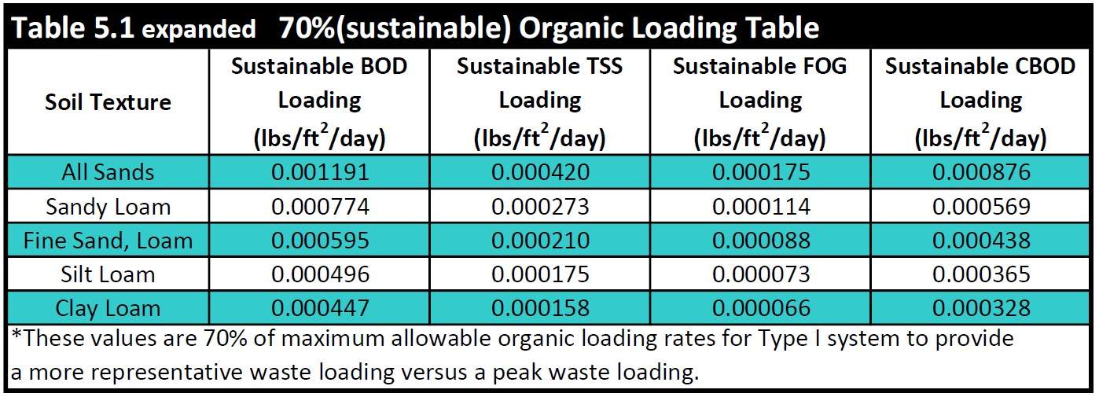
C. BOD |  |  |  | mg/L |  | D. TSS |  |  | mg/L | E. Oil & Grease |  |  |  |  | mg/L | F. CBOD5 |  |  |  | mg/L | Enter either sample results or anticipated strengths into line C.

G. SQ feet STA in Design: |  |  |  |  |  |  | sq.ft |  |  |  |  | Anticipated Waste Type:

2. | ORGANIC LOADING TO SOIL TREATMENT

 |  |  | A. Soil Texture:

 | B. Sustainable Organic Loading Rate : |  |  |  |  |  |  |  | See table 5.1 for organic loading values of soil /media interface
 |  |  |  | BOD5 |  |  |  |  | lbs/sq.ft/day |  |  |  | TSS |  |  |  | lbs/sq.ft/day

 |  |  |  | FOG |  |  |  |  | lbs/sq.ft/day |  |  |  | CBOD5 |  |  |  | lbs/sq.ft/day

C. BOD LOADING |  |  |  | FALSE | N/A |  | Enter measured or anticipated flow above for calculations |  |  |  |  |  |  |  |  |  |  |  |  |  |  |  | Do we want to introduce measured flow into sizing?
1. | BOD5 Loading = Flow (1A or B) gpm X 0.7 X BOD Concentration mg/L (1C) X 8.35 ÷ 1,000,000

 |  |  | gpd X |  |  |  | mg/L X 8.35 ÷ 1,000,000 = |  |  |  |  |  |  | lbs. BOD/day (Organic Loading Design)

2. | Organic Loading to Soil Treatment Area:

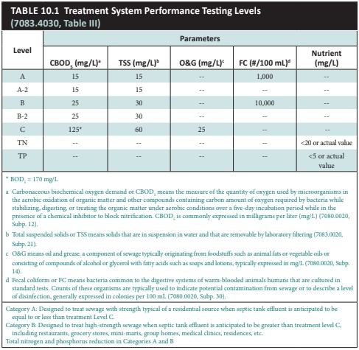
 |  |  | mg/L X |  |  |  | gpd X 0.7 X 8.35 ÷ 1,000,000 ÷ |  |  |  |  |  |  | sq.ft | = |  |  | lbs./day/sqft

3. | Organic Sized Absorption Bed Area = Organic Loading lbs BOD (2C1) ÷ Organic Soil Loading Rate (2B)
 |  |  | lbs BOD ÷ |  |  |  |  | lbs BOD/sq.ft = |  |  |  |  |  | sq.ft

D. TSS LOADING |  |  |  | FALSE | N/A
1. | Starting TSS Concentration = Flow (1A or B) gpm X 0.7 X Starting TSS (1D) mg/L X 8.35 ÷ 1,000,000

 |  |  | gpd X |  |  |  | mg/L X 8.35 ÷ 1,000,000 = |  |  |  |  |  |  | lbs. TSS/day (Organic Loading Design)

2. | Organic Loading to Soil Treatment Area:
 |  |  |  |  |  |  |  |  |  |  |  |  |  |  |  |  |  |  |  |  |  |  | Row HT 4
 |  |  | mg/L X |  |  |  | gpd X 0.7 X 8.35 ÷ 1,000,000 ÷ |  |  |  |  |  |  | sq.ft | = |  |  | lbs./day/sqft

3. | Organic Sized Absorption Bed Area = Organic Loading lbs TSS (2D1) ÷ Organic Soil Loading Rate (2B)
 |  |  | lbs TSS ÷ |  |  |  |  | lbs TSS/sq.ft = |  |  |  |  |  | sq.ft

E. FOG LOADING |  |  |  | FALSE | N/A
1. | Starting FOG Concentration = Flow (1A or B) X 0.7 X Starting FOG (mg/L) X 8.34 ÷ 1,000,000

 |  |  | gpd X |  |  |  | mg/L X 8.35 ÷ 1,000,000 = |  |  |  |  |  |  | lbs. FOG/day (Organic Loading Design)

2. | Organic Loading to Soil Treatment Area:

 |  |  | mg/L X |  |  |  | gpd X 0.7 X 8.35 ÷ 1,000,000 ÷ |  |  |  |  |  |  | sq.ft | = |  |  | lbs./day/sqft

3. | Organic Sized Absorption Bed Area = Organic Loading lbs FOG (2E1) ÷ Organic Soil Loading Rate (2B)
 |  |  | lbs FOG ÷ |  |  |  |  | lbs FOG/sq.ft = |  |  |  |  |  | sq.ft

F. CBOD LOADING |  |  |  | FALSE | N/A
1. | Starting CBOD5 Concentration =Flow (1A or B) X 0.7 X Starting CBOD (mg/L) X 8.34 ÷ 1,000,000

 |  |  | gpd X |  |  |  | mg/L X 8.35 ÷ 1,000,000 = |  |  |  |  |  |  | lbs. CBOD/day (Organic Loading Design)

2. | Organic Loading to Soil Treatment Area:

 |  |  | mg/L X |  |  |  | gpd X 0.7 X 8.35 ÷ 1,000,000 ÷ |  |  |  |  |  |  | sq.ft | = |  |  | lbs./day/sqft

3. | Organic Sized Absorption Bed Area = Organic Loading lbs CBOD (2F1) ÷ Organic Soil Loading Rate (2B)
 |  |  | lbs CBOD ÷ |  |  |  |  | lbs CBOD/sq.ft = |  |  |  |  |  | sq.ft

G. ORGANIC LOADING ABSORBTION BED AREA Largest Bed Absorption Area: BOD, TSS, FOG, CBOD |  |  |  |  |  |  |  |  |  |  |  |  |  |  |  |  | 0.0 |  | sq.ft

3. | HSW Technology Strength Reduction

Target Treatment Levels |  |  |  |  | FALSE | N/A | Registered Treatment Level:

 |  | BOD: |  |  | mg/L | TSS: |  |  | mg/L |  |  | Oil & Grease: |  |  | mg/L | CBOD5 |  |  |  | mg/L | Enter treatment goals

BOD REDUCTION |  |  |  | FALSE | N/A
A. | Starting BOD loading = Flow (1A or B) X Concentration BOD (mg/L) X 8.35 ÷ 1,000,000

 |  |  | gpd X |  |  |  | mg/L X 8.35 ÷ 1,000,000 = |  |  |  |  |  |  |  |  | lbs. BOD/day

B. | Target BOD Concentration = Flow (1A or B) X Target BOD (mg/L) X 8.35 ÷ 1,000,000
 |  |  | gpd X |  |  |  | mg/L X 8.35 ÷ 1,000,000 = |  |  |  |  |  |  |  |  | lbs. BOD/day

 |  |  |  |  |  |  |  |  |  |  | Lbs. BOD To Be Removed: |  |  | lbs. BOD/day (HSW Technology Design)

TSS REDUCTION |  |  |  | FALSE | N/A
A. | Starting TSS Concentration = Flow (1A or B) X Starting TSS (mg/L) X 8.35 ÷ 1,000,000

 |  |  | gpd X |  |  |  | mg/L X 8.35 ÷ 1,000,000 = |  |  |  |  |  |  |  |  | lbs. TSS/day

B. | Target TSS Concentration = Design Flow X Target TSS (mg/L) X 8.35 ÷ 1,000,000
 |  |  | gpd X |  |  |  | mg/L X 8.35 ÷ 1,000,000 = |  |  |  |  |  |  |  |  | lbs. TSS/day

 |  |  |  |  |  |  |  |  |  |  | Lbs. TSS To Be Removed: |  |  | lbs. TSS/day (HSW Technology Design)

FOG REDUCTION |  |  |  | FALSE | N/A
A. | Starting FOG Concentration = Design Flow X Starting FOG (mg/L) X 8.35 ÷ 1,000,000

 |  |  | gpd X |  |  |  | mg/L X 8.35 ÷ 1,000,000 = |  |  |  |  |  |  |  |  | lbs. FOG/day

B. | Target FOG Concentration = Design Flow X Target FOG (mg/L) X 8.35 ÷ 1,000,000
 |  |  | gpd X |  |  |  | mg/L X 8.35 ÷ 1,000,000 = |  |  |  |  |  |  |  |  | lbs. FOG/day

 |  |  |  |  |  |  |  |  |  |  | Lbs. FOG To Be Removed: |  |  | lbs. FOG/day (HSW Technology Design)

CBOD REDUCTION |  |  |  | FALSE | N/A
A. | Starting CBOD Concentration = Design Flow X Starting CBOD (mg/L) X 8.35 ÷ 1,000,000

 |  |  | gpd X |  |  |  | mg/L X 8.35 ÷ 1,000,000 = |  |  |  |  |  |  |  |  | lbs. CBOD/day

B. | Target CBOD Concentration = Design Flow X Target CBOD (mg/L) X 8.35 ÷ 1,000,000
 |  |  | gpd X |  |  |  | mg/L X 8.35 ÷ 1,000,000 = |  |  |  |  |  |  |  |  | lbs. CBOD/day

 |  |  |  |  |  |  |  |  |  |  | Lbs. CBOD To Be Removed: |  |  | lbs. CBOD/day (HSW Technology Design)

Organic Loading to Soil Treatment (Based on Waste Strength Data and Organic Loading Design)

A. | Organic Loading Based on: |  |  |  |  |  |  |  | B. Minimum required absorption area |  |  |  |  |  |  |  |  | sq.ft |  |  | Choice of loading will look up the area from above

Technology Strength Reduction (Treatment Level or HSW)

A. | Starting Waste Strength |  |  |  |  |  |  |  |  |  | Treatment designed to meet:

 | See product registration specific design applications
 |  |  |  |  | Pretreatment Technology: |  |  |  |  |  |  |  |  |  | *Must Meet or Exceed Target

 |  |  |  |  | Model: |  |  |  |  |  | Units:

 |  |  |  |  | Disinfection Technology: |  |  |  |  |  |  |  |  |  | *Required for Levels A & B

 |  |  |  |  | Model: |  |  |  |  |  | Units:

4. | Comments/Special Design Considerations:

Pres. Dist. (Other)
 |  |  | NON STA Pressure Distribution Design Worksheet
 |  |  |  |  |  | Project ID: |  |  |  |  |  |  |  |  | v 05.01.2026

This page is for specific use - non soil treatment area pressure distribution. This information is not listed in the summary page. Add necessary comments to the summary to convey specifics.

 | Pressure Distribution to:

1. | Media Bed Width: |  |  |  |  |  |  |  | ft

2. | Length of Laterals |  |  |  |  |  |  |  | ft |  |  |  |  |  |  | 0

3. | Designer Selected Number of Laterals: |  |  |  |  |  |  |  | laterals

4. | Select Perforation Spacing: |  |  |  |  |  |  |  | ft

5. | Select Perforation Diameter Size: |  |  |  |  |  |  |  | in

6. | Determine the Number of Perforation Spaces. Divide the Length of Laterals by the Perforation Spacing and round down to the nearest whole number.

 | Number of Perforation Spaces= |  |  |  |  | ft | ÷ |  |  | ft | = |  |  | Spaces

7. | Number of Perforations per Lateral is equal to 1.0 plus the Number of Perforation Spaces. Check table below to verify the number of perforations per lateral guarantees less than a 10% discharge variation. The value is double with a center manifold.

 | Perforations Per Lateral = |  |  |  |  |  | Spaces + 1 = |  |  |  |  | Perfs. Per Lateral

 | END Connection |  |  |  |  |  |  | CENTER Connection
 | Perf Per Lateral: |  |  |  |  | Perf Per Lateral Equal Split: |  |  |  |  |  | |

 |  |  |  |  | OPTIONAL Perf Per Lateral Non-Equal Split*: |  |  |  |  |  |  |  | |
 |  |  |  |  |  | * must not exceed maximum number perfs per lateral in table

8 | Total Number of Perforations equals the Number of Perforations per Lateral multiplied by the Number of Perforated Laterals.

 |  | Perf. Per Lat. X |  |  |  | Number of Perf. Lat. = |  |  |  |  |  | Total Number of Perf.

9. | Spacing of laterals: |  |  |  | ft
 |  |  |  |  |  |  |  |  |  |  | If Center Manifold Connection the max number of perfs per lateral in the table can be doubled.
10. | Select Type of Manifold Connection (End or Center):

11. | Select Lateral Diameter (See Table): |  |  |  |  |  |  |  |  | in

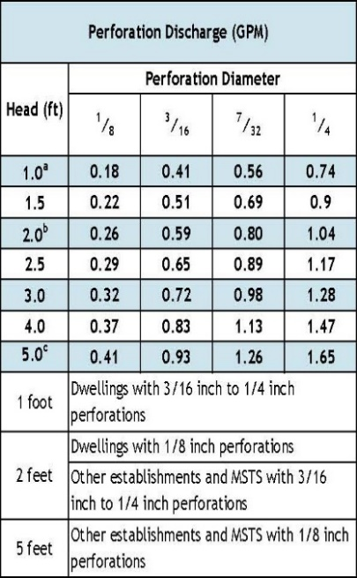
12. | Calculate the Square Feet per Perforation.

a. | Bed Area = Bed Width (ft) X Bed Length (ft)

 |  | ft X |  | ft = |  |  | sq.ft

b. | Square Foot per Perforation = Bed Area ÷ by the Total Number of Perfs

 |  | sqft ÷ |  | perf = |  |  | sq.ft/perf

13. | Select Minimum Average Head: |  |  |  |  |  |  |  |  | ft

14. | Select Perforation Discharge based on Table: |  |  |  |  |  |  |  | GPM per Perf

15. | Flow Rate = Total Number of Perfs X Perforation Discharge.

 |  | Perfs X |  |  | GPM per Perforation = |  |  |  |  |  | GPM

16. | Volume of Liquid Per Foot of Distribution Piping (Table II): |  |  |  |  |  |  |  |  |  | Gallons/ft

17. | Volume of Distribution Piping =
 | = [Number of Perforated Laterals X Length of Laterals X (Volume of Liquid Per Foot of Distribution Piping]

 |  | X |  | ft X |  |  | gal/ft = |  |  |  | Gallons

18. | Minimum Delivered Volume = Volume of Distribution Piping X

 |  | gals X |  | = |  |  | Gallons

Comments/Special Design Considerations:

Pump-Basic (Other)
 |  |  | NON STA Pump Selection Design Worksheet
1. | PUMP CAPACITY |  |  |  |  |  | Project ID: |  |  |  |  |  |  | v 05.01.2026

 | Pumping to Gravity or Pressure Distribution: |  |  |  |  |  |  |  |  |  |  |  |  |  | 1

A. | If pumping to gravity enter the gallon per minute of the pump: |  |  |  |  |  |  |  |  | GPM

B. | If pumping to a pressurized distribution system: |  |  |  |  |  |  |  |  | GPM

C. | Enter pump description:

2. HEAD REQUIREMENTS

A. | Elevation Difference |  |  |  |  | ft
 | between pump and point of discharge:

B. | Distribution Head Loss: |  |  |  |  | ft

C. | Additional Head Loss: |  |  |  |  | ft (due to special equipment, etc.)

D. | 1. Supply Pipe Diameter: |  |  |  |  | in

 | 2. Supply Pipe Length: |  |  |  |  | ft

E. | Friction Loss in Plastic Pipe per 100ft from Table I:

 | Friction Loss = |  |  |  | ft per 100ft of pipe

F. | Determine Equivalent Pipe Length from pump discharge to soil dispersal area discharge point. Estimate by adding 25% to supply pipe length for fitting loss. Supply Pipe Length X 1.25 = Equivalent Pipe Length

 |  | ft | X | 1.25 | = |  |  | ft

G. | Calculate Supply Friction Loss by multiplying Friction Loss Per 100ft by the Equivalent Pipe Length divide by 100.

 | Supply Friction Loss =
 |  | ft per 100ft X |  |  |  | ft ÷ | 100 = |  | ft

H. | Total Head requirement is the sum of the Elevation Difference + the Distribution Head Loss Additional Head Loss + Supply Friction Loss

 |  | ft | + |  |  | ft | + |  | ft + |  | ft = |  | ft

3. PUMP SELECTION
A pump must be selected to deliver at least |  |  |  |  |  |  |  | GPM (Line 1 or Line 2) with at least |  |  |  | feet of total head.

Comments:

 |  |  |  |  |  |  |  |  |  |  |  |  |  |  |  | Fitting Type | 1.5 | 2 | 3
 |  |  |  |  |  |  |  |  |  |  |  |  |  |  |  | Gate Valve | 1.07 | 1.38 | 2.04
 |  |  |  |  |  |  |  |  |  |  |  |  |  |  |  | 90 Deg Elbow | 4.03 | 5.17 | 7.67
 |  |  |  |  |  |  |  |  |  |  |  |  |  |  |  | 45 Deg Elbow | 2.15 | 2.76 | 4.09
 |  |  |  |  |  |  |  |  |  |  |  |  |  |  |  | Tee - Flow Thru | 2.68 | 3.45 | 5.11
 |  |  |  |  |  |  |  |  |  |  |  |  |  |  |  | Tee - Branch Flow | 8.05 | 10.30 | 15.30
 |  |  |  |  |  |  |  |  |  |  |  |  |  |  |  | Swing Check Valve | 13.40 | 17.20 | 25.50
 |  |  |  |  |  |  |  |  |  |  |  |  |  |  |  | Angle Valve | 20.10 | 25.80 | 38.40
 |  |  |  |  |  |  |  |  |  |  |  |  |  |  |  | Globe Valve | 45.60 | 58.60 | 86.90
 |  |  |  |  |  |  |  |  |  |  |  |  |  |  |  | Butterfly Valve | x | 7.75 | 11.50

Pump Tank (Other) Demand
Width
Length
Radius
 |  |  | NON STA Pump Tank Design Worksheet (Demand Dose)
 | DETERMINE TANK CAPACITY AND DIMENSIONS |  |  |  |  |  |  |  | Project ID: |  |  |  |  |  |  | v 05.01.2026 |  | MEASURED TANK CAPACITY (existing tanks):

1. | A. | Design Flow : |  |  |  |  |  | GPD | C. Tank Use: |  |  |  |  |  |  |  | A. | Rectangle area = Length (L) X Width (W)

 | B. | Min. required pump tank capacity: |  |  |  |  |  | Gal | D. Recommended pump tank capacity: |  |  |  |  |  |  | Gal |  |  |  | ft | X |  |  | ft | = |  | ft2

2. | A. | Tank Manufacturer: |  |  |  |  |  | B. | Tank Model: |  |  |  |  |  |  |  | B. | Circle area = 3.14r2 (3.14 X radius X radius)

 | C. | Capacity from manufacturer: |  |  |  |  |  | Gallons |  |  | Note: Design calculations are based on this specific tank. Substituting a different tank model will change the pump float or timer settings. Contact designer if changes are necessary. |  |  |  |  |  |  |  | 3.14 X |  |  |  | 2 | ft | = |  | ft2

 | D. | Gallons per inch from manufacturer: |  |  |  |  |  | Gallons per inch |  |  |  |  |  |  |  |  | C. | Calculate Gallons Per Inch. Multiply the area from 1.A or 1.B, by 7.5 to determine the gallons per foot the tank holds and divide by 12 to calculate the gallons per inch.

 | E. | Liquid depth of tank from manufacturer: |  |  |  |  |  | inches |  |  |  |  |  |  |  |  |  |  |  | ft2 | X | 7.5 gal/ft3 ÷ 12 in/ft |  |  |  | = |  | Gallons per inch

DETERMINE DOSING VOLUME |  |  |  |  |  |  |  |  |  |  |  |  |  |  |  |  | D. | Calculate Total Tank Volume
3 | Calculate Volume to Cover Pump (The inlet of the pump must be at least 4-inches from the bottom of the pump tank & 2 inches of water covering the pump is recommended) |  |  |  |  |  |  |  |  |  |  |  |  |  |  |  |  | Depth from bottom of inlet pipe to tank bottom: |  |  |  |  |  |  |  |  |  | in
 |  |  |  |  |  |  |  |  |  |  |  |  |  |  |  |  |  | Total Tank Volume = Depth from bottom of inlet pipe (Line 4.A) X Gallons/Inch (Line 2)
 | (Pump and block height + 2 inches) X Gallons Per Inch |  |  |  |  |  |  |  |  |  |  |  |  |  |  |  |  |  |  | in | X | 0.0 |  | Gallons Per Inch = |  |  |  | Gallons
 | ( |  | in + | 2 inches) X |  |  | Gallons Per Inch |  |  | = |  |  | Gallons
4 | Minimum Delivered Volume: Based on use of second pump tank
 |  |  |  |  |  |  |  |  |  | Gallons (minimum dose) |  |  |  |  | inches/dose
5 | Calculate Maximum Pumpout Volume (25% of Design Flow)
 |  |  |  |  |  |  |  |  |  | Gallons (maximum dose) |  |  |  |  | inches/dose

6 | Select a pumpout volume that meets both Minimum and Maximum: |  |  |  |  |  |  |  |  | Gallons
7 | Calculate Doses Per Day = Design Flow ÷ Delivered Volume
 |  |  | gpd ÷ |  |  | gal = |  |  |  | Doses
8 | Calculate Drainback:
 | A. | Diameter of Supply Pipe= |  |  |  |  |  |  | inches

 | B. | Length of Supply Pipe = |  |  |  |  |  |  | feet

 | C. | Volume of Liquid Per Lineal Foot of Pipe = |  |  |  |  |  |  | Gallons/ft
 | D. | Drainback = Length of Supply Pipe X Volume of Liquid Per Lineal Foot of Pipe
 |  |  | ft X |  | gal/ft = |  |  |  | Gallons
9. | Total Dosing Volume = Delivered Volume plus Drainback
 |  |  | gal + |  | gal = |  |  | Gallons
10. | Minimum Alarm Volume = Depth of alarm (2 or 3 inches) X gallons per inch of tank
 |  |  | in X |  | gal/in = |  |  |  | Gallons

DEMAND DOSE FLOAT SETTINGS |  |  |  | Alarm and Pump are to be wired on separate circuits and inspected by the electrical inspector
11. | Calculate Float Separation Distance using Dosing Volume.
 | Total Dosing Volume /Gallons Per Inch
 |  |  | gal ÷ |  |  | gal/in = |  |  |  | Inches
12. | Measuring from bottom of tank:
A. | Distance to set Pump Off Float = Pump + block height + 2 inches |  |  |  |  |  |  |  |  |  | Inches for Dose: |  |  | in
 |  |  | in + 2 in = |  |  | Inches |  |  |  |  | Alarm Depth |  |  | in | Gal
B. | Distance to set Pump On Float=Distance to Set Pump-Off Float + Float Separation Distance |  |  |  |  |  |  |  |  |  | Pump On |  |  | in | Gal
 |  |  | in + |  |  | in = |  |  | Inches |  | Pump Off |  |  | in | Gal
C. | Distance to set Alarm Float = Distance to set Pump-On Float + Alarm Depth (2-3 inches) |  |  |  |  |  |  |  |  |  |  |  |  |  | Gal
 |  |  | in + |  |  | in = |  |  | Inches

13. | Reserve Capacity Volume = Tank Liquid Depth - Alarm Float Depth x gallons per inch of tank
 |  |  | in - |  | in X |  |  | gal/in = |  |  |  | Gallons

Pump-Tank(Other)Time
Width
Length
Radius
NON STA Pump Tank Design Worksheet (Time Dose) |  |  |  |  |  |  |  |  |  |  |  |  |  |  |  |  |  |  |  |  | To use these calculations you must unprotect the worksheet under the Review Tab.
 |  |  |  |  |  |  |  |  |  |  | Project ID: |  |  |  |  |  |  |  | v 05.01.2026 |  | MEASURED TANK CAPACITY (existing tanks):

DETERMINE TANK CAPACITY AND DIMENSIONS

1. | A. | Design Flow (Design Sum.1A): |  |  |  |  |  |  |  | GPD | B. | Tank Use: |  |  |  |  |  |  |  | A. | Rectangle area = Length (L) X Width (W)

 | C. | Percentage of Design Flow |  |  |  | 70 | % |  |  | Gal | Up to 75% design flow is normal for Design percentage |  |  |  |  |  |  |  |  |  |  | 3.14 X |  |  |  | 2 | ft | = |  | ft2

 | D. | Min. required pump tank capacity: |  |  |  |  |  |  |  | Gal | E. | Recommended capacity: |  |  |  |  |  | Gal |  | C. | Calculate Gallons Per Inch. Multiply the area from 1.A or 1.B, by 7.5 to determine the gallons per foot the tank holds and divide by 12 to calculate the gallons per inch.

2. | A. | Tank Manufacturer: |  |  |  |  |  |  |  |  | B. | Tank Model: |  |  |  |  |  |  |  |  |  |  | ft2 | X | 7.5 gal/ft3 ÷ 12 in/ft |  |  |  | = |  | Gallons per inch

 | C. | Capacity from manufacturer: |  |  |  |  |  |  |  | Gallons |  |  | Note: Design calculations are based on this specific tank. Substituting a different tank model will change the pump float or timer settings. Contact designer if changes are necessary. |  |  |  |  |  |  | D. | Calculate Total Tank Volume

 | D. | Gallons per inch: |  |  |  |  |  |  |  | Gallons per inch |  |  |  |  |  |  |  |  |  |  | Depth from bottom of inlet pipe to tank bottom: |  |  |  |  |  |  |  |  |  | in

 | E. | Liquid depth of tank from manufacturer: |  |  |  |  |  |  |  | inches |  |  |  |  |  |  |  |  |  |  | Total Tank Volume = Depth from bottom of inlet pipe (Line 4.A) X Gallons/Inch (Line 2)

DETERMINE DOSING VOLUME |  |  |  |  |  |  |  |  |  |  |  |  |  |  |  |  |  |  |  |  |  |  | in | X | 0.0 |  | Gallons Per Inch = |  |  |  | Gallons
3. | Volume to Cover Pump (The inlet of pump should be 4 in from the bottom of the tank & 2 in covering the pump recommended)
 | (Pump and block height + 2 inches) X Gallons Per Inch
 | ( |  |  | in + | 2 inches) X |  |  |  | Gallons Per Inch |  | = |  |  | Gallons
4. | Minimum Delivered Volume: Based on use of second pump tank
 |  |  |  |  |  |  |  |  |  |  |  | Gallons (minimum dose) |  |  |  |  |  | inches/dose
5. | Calculate Maximum Pumpout Volume (25% of Design Flow)
 | Design Flow: |  |  |  |  | GPD | X | 0.25 | = |  |  | Gallons (maximum dose) |  |  |  |  |  | inches/dose

6. | Select a pumpout volume that meets both Minimum and Maximum: |  |  |  |  |  |  |  |  |  |  |  | Gallons
7. | Calculate Doses Per Day = Percentage Design Flow ÷ Delivered Volume
 |  |  |  | gpd ÷ |  |  |  | gal = |  |  |  | Doses
8. | Calculate Drainback:
 | A. | Diameter of Supply Pipe= |  |  |  |  |  |  |  |  | inches

 | B. | Length of Supply Pipe = |  |  |  |  |  |  |  |  | feet

 | C. | Volume of Liquid Per Lineal Foot of Pipe = |  |  |  |  |  |  |  |  | Gallons/ft
 | D. | Drainback = Length of Supply Pipe X Volume of Liquid Per Lineal Foot of Pipe
 |  |  |  | ft X |  |  | gal/ft = |  |  |  | Gallons
9. | Total Dosing Volume = Delivered Volume plus Drainback
 |  |  |  | gal + |  |  | gal = |  |  | Gallons
10. | Working Storage Volume = Tank Volume -Volume to Cover Pump - Reserve Capacity
 |  |  | gal - |  |  | gal - |  |  | = |  |  | Gallons

11. | Required Flow Rate:
A. | From Pump Curve - Must verify after Install: |  |  |  |  |  |  |  |  | GPM* |  |  |  |  |  | *Note: This value must be adjusted after installation based on pump calibration.
B. | Calculated GPM = Change in Depth (in) x Gallons Per Inch / Time Interval in Minutes
 |  |  |  | in X |  |  |  | gal/in ÷ |  |  |  | min = |  |  | GPM

12. | Select Flow Rate from Line 11.A or 11.B: |  |  |  |  |  |  |  | GPM*

NORMAL OPERATION TIMER SETTINGS*
13. | Calculate TIMER ON setting*:
 | Total Dosing Volume ÷ GPM |  |  |  |  |  |  |  |  |  |  |  | HR | MIN | SEC
 |  |  | gal | ÷ |  |  | gpm = |  |  |  | Minutes ON*
14. | Calculated TIMER OFF setting*:
 | Minutes Per Day (1440)/Doses Per Day - Minutes On |  |  |  |  |  |  |  |  |  |  |  |  |  |  | HR | MIN | SEC
 | 1440 min ÷ |  |  | doses/day - |  |  |  |  | min | = |  |  | Minutes OFF*

OPTIONAL PEAK ENABLE DOSING* - Designer's option for peak flow operation

15. | Peak Percentage of Design Flow |  |  |  |  |  |  | %
16. | Peak Pump out Volume that meets both Minimum and Maximum Volume |  |  |  |  |  |  |  |  |  |  |  | gal + | Drainback |  |  |  | gal
17. | Peak Dose Volume |  |  |  |  | gal |  |  |  |  |  |  |  |  | HR | MIN | SEC
18. | Peak TIMER ON |  |  |  |  | gal ÷ |  | gpm = |  |  | min ON
 | *Note: This value must be adjusted after installation based on pump calibration. |  |  |  |  |  |  |  |  |  |  |  |  |  | HR | MIN | SEC
19. | Peak TIMER OFF:1440 min ÷ |  |  |  |  | doses/day - |  |  | min On |  |  |  | min Off

FLOAT SETTINGS |  |  |  | Alarm and Pump are to be wired on separate circuits and inspected by the electrical inspector

20. | Pump Off Float - Measuring from bottom of tank:
 | Distance to set Pump Off Float=Gallons to Cover Pump / Gallons Per Inch:
 |  |  | gal ÷ |  |  |  | gal/in = |  |  |  | inches |  | Reserve Capacity |  |  |  |  | Gal
 |  |  |  |  |  |  |  |  |  |  |  | Alarm Depth |  |  | in
21. | Alarm Float - Measuring from bottom of tank (90% recommended): |  |  |  |  |  |  |  |  |  |  | Storage Capacity |  |  |  |  |  | Gal
 | Distance to set Alarm Float = Tank Depth X % of Tank Depth (90% recommended) |  |  |  |  |  |  |  |  |  |  |  | Normal Dose Volume |  |  |  |  | Gal
 |  |  | in X |  |  |  | % = |  |  |  | inches
 |  |  |  |  |  |  |  |  |  |  |  | Pump Off |  |  | in |  |  | Gal
22. | Reserve Capacity in gallons = (Tank Depth - Alarm Depth) X GPI
( |  |  | in - |  |  |  | in) X |  |  |  | = |  |  | gallons

Pump-Collection
 |  |  |  | Collection Pump Selection Design Worksheet
1. | PUMP CAPACITY |  |  |  |  |  |  | Project ID: |  |  |  |  |  |  |  |  |  |  | v 05.01.2026

 | Pumping to Gravity or Pressure Distribution:
A. | If pumping to gravity enter the gallon per minute of the pump: |  |  |  |  |  |  |  |  |  |  | GPM
B. | If pumping to pressure:
 | A. | Enter the peak value (PV): |  |  |  |  |  |  |  |  |  | GPM

 | B. | Enter the n value: |  |  |  |  |  |  |  |  |  | pumps

 | C. | Flow = PV multiplied by n = |  |  |  | 0.00 |  | GPM X | 0 |  | pumps = |  | 0.0 |  | GPM

2. HEAD REQUIREMENTS

A. | Elevation Difference |  |  |  |  |  | ft
 | between pump and point of discharge:
B. | 1. Pipe Diameter: |  |  |  |  |  | in

 | 2. Pipe Length: |  |  |  |  |  | ft

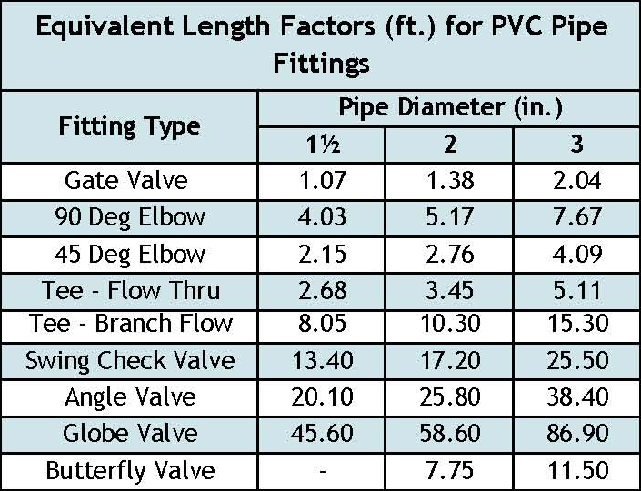
C. | Equivalent length of pipe fittings.
 | Quantity X Equivalent Length Factor = Equivalent Length

 | Fitting Type |  |  | Quantity |  |  | Equivalent Length Factor |  |  | Equivalent Length (ft)
 |  |  |  |  |  |  |  |  |  |  |  |  |  |  |  |  |  |  |  | Fitting Type | 1.5 | 2 | 3
 | Gate Valve |  |  |  |  | X |  |  | = |  |  |  |  |  |  |  |  |  |  | Gate Valve | 1.07 | 1.38 | 2.04
 | 90 Deg Elbow |  |  |  |  | X |  |  | = |  |  |  |  |  |  |  |  |  |  | 90 Deg Elbow | 4.03 | 5.17 | 7.67
 | 45 Deg Elbow |  |  |  |  | X |  |  | = |  |  |  |  |  |  |  |  |  |  | 45 Deg Elbow | 2.15 | 2.76 | 4.09
 | Tee - Flow Thru |  |  |  |  | X |  |  | = |  |  |  |  |  |  |  |  |  |  | Tee - Flow Thru | 2.68 | 3.45 | 5.11
 | Tee - Branch Flow |  |  |  |  | X |  |  | = |  |  |  |  |  |  |  |  |  |  | Tee - Branch Flow | 8.05 | 10.30 | 15.30
 | Swing Check Valve |  |  |  |  | X |  |  | = |  |  | Hazen-Williams Equation for h |  |  |  |  |  |  |  | Swing Check Valve | 13.40 | 17.20 | 25.50
 | Angle Valve |  |  |  |  | X |  |  | = |  |  |  |  |  |  |  |  |  |  | Angle Valve | 20.10 | 25.80 | 38.40
 | Globe Valve |  |  |  |  | X |  |  | = |  |  |  |  |  |  |  |  |  |  | Globe Valve | 45.60 | 58.60 | 86.90
 | Butterfly Valve |  |  |  |  | X |  |  | = |  |  |  |  |  |  |  |  |  |  | Butterfly Valve | x | 7.75 | 11.50
 | Other |  |  |  |  | X |  |  | = |  |  | Q in gpm |  | L in feet |  | D in inches |  | C = 130
 | Other |  |  |  |  | X |  |  | =

D. | Sum of Equivalent Length due to pipe fittings: |  |  |  |  |  |  |  |  |  |  |  | NOTE: System installer should contact system designer if the number of fittings varies from the design to the actual installation.

E. | Total Pipe Length = Supply Pipe Length (2.B.2) + Equivalent Pipe Length (2.D)
 |  |  | ft + |  |  | ft = |  |  | ft

F. | Hazen-Williams friction loss due to pipe fittings and supply pipe (hf):
 | (10.5 ÷ |  | Pipe Diameter4.87 ) |  |  | X ( | Flow Rate ÷ Constant)1.85 |  |  |  | X | Total Pipe Length (2.E)

 | (10.5 ÷ |  |  |  | in4.87 ) | X ( |  |  | gpm ÷ 130)1.85 X |  |  |  |  | ft = |  |  | ft
G. | Total Head requirement is the sum of the Elevation Difference (Line 2.A) and the Friction Loss from the Supply Pipe and Pipe Fittings for collection systems (Line F)

 |  |  |  |  | ft | + |  |  | ft = |  |  | ft

3. PUMP SELECTION
A pump must be selected to deliver at least |  |  |  |  |  |  |  |  | GPM (Line 1) with at least |  |  |  |  |  | feet of total head (Line G).
Comments:

Flow & System Summary
 |  |  |  | LISTS & MSTS Design Flow and System Summary
1. PERMITTING FLOW |  |  |  |  |  |  |  |  |  |  |  | v 05.01.2026

 |  | Permitting Flow (from Final Flow worksheet): |  |  |  |  |  |  |  | GPD

2. ORGANIC LOADING

 | A. | Facility with potential elevated levels of BOD5, TSS or FOG?
 |  | See Assessment and Waste Strength Table

 | B. | If Yes, Estimated or Measured Values

 |  | i. | BOD5 |  | mg/l | If concentrations of BOD, TSS, and O&G are expected to be higher than 170 mg/1, 60 mg/1, or 25 mg/1 respectively, an estimated or measured average concentration must be determined.

 |  | ii. | TSS |  | mg/l

 |  | iii. | FOG |  | mg/l

3. GREASE TRAP
Grease trap recommended for facilities with high levels of O&G. If a grease trap is installed, a minimum of 24 hours (1 day) of hydraulic retention time is recommended, but can be up 4 days or more. The outlet baffle must extended to 50 - 70% of liquid depth.

 | A. | Design Flow - Grease Trap (kitchen waste only): |  |  |  |  |  |  |  | GPD
 |  | Use 70% of permitted flow to size the grease trap if using estimated design flows are being used.

 | B. | Minimum capacity is equal to the Design Flow for Grease Traps (3A) multiplied by 1.
 |  |  |  | X |  | day(s) | = |  |  | Gallons

4. SEPTIC TANKS and STILLING TANK

 | A. | Individual septic tanks at each dwelling (7080.1930 minimum)*: |  |  |  |  |  |  |  |  | * When septic tanks are installed at each dwelling an effluent screen and alarm should either be located at each dwelling or a the common treatment area.

 |  | Septic Tank capacity: |  |  |  |  |  |  | Gallons

 |  | Number of Septic Tanks/Compartments:

 |  | Effluent Screen Minimum Size Slots** |  |  |  |  |  | (1/8 or 1/16 inch)

 | B. | Stilling tank required?
 |  | If Yes, minimum capacity is equal to the Design Flow (Line 1) multiplied by 0.5 (can be greater than 0.5)
 |  |  |  | X |  | day(s) | = |  |  | Gallons

 | B. | Gravity collection to common septic tanks:
 |  | Minimum capacity is the design flow (1) multiplied by 3 days.
 |  |  |  |  |  |  |  |  |  |  | ** 1/16 inch screen slots should be used when downstream distribution components utilize 1/8 inch diameter orifices.
 |  |  |  | X | 3 days = |  |  |  | Gallons

 |  | Number of Septic Tanks/Compartments:

 |  | Effluent Screen Minimum Size Slots** |  |  |  |  |  | (1/8 or 1/16 inch)

 | C. | Pressure collection to common septic tanks:
 |  | Minimum septic tank capacity is the design flow multiplied by 4 days.

 |  |  |  | X | 4 days = |  |  |  | Gallons

 |  | Number of Septic Tanks/Compartments:

 |  | Effluent Screen Minimum Size Slots** |  |  |  |  |  | (1/8 or 1/16 inch)

 | D. | Septic tank liquid capacity prior to other treatment devices:
 |  | Capacity set by manufacturer's requirements, accepted engineering principles, or as identified in the product registration recommended standards and criteria.

 |  |  |  |  |  |  |  |  | Gallons

 |  | Number of Septic Tanks/Compartments:

 |  | Effluent Screen & Alarm?

 | E. | Tank Buoyancy Calculation Performed?

5. SITE EVALUATION OVERVIEW:

 | A. | Depth to Limiting Layer: |  |  |  |  |  |  | inches |  | feet Elevation: | ft

 | B. | Measured Percent Land Slope: |  |  |  |  |  |  | % | Location and Elevation of Limiting Layer:

 | C. | Percent Land Slope: |  |  |  |  |  |  | %

6. SOIL LOADING RATES: Select method A. or B. below

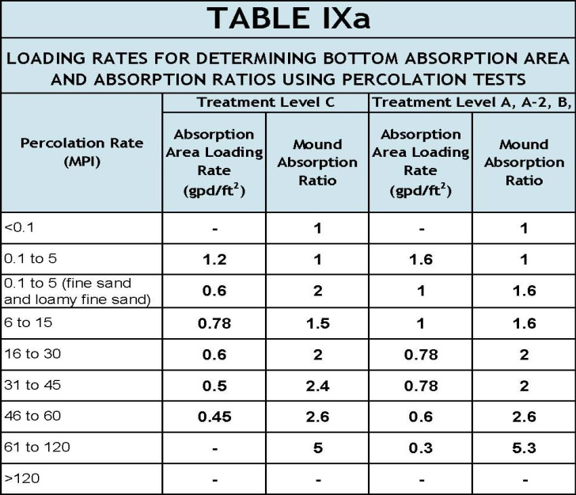
 | A. | 7080 Table IX |  |  |  |  |  | B.
 |  | DETAILED SOIL DESCRIPTIONS

 |  | Texture

 |  | Structure

 |  | Grade

 |  | Consistence

 |  | Select Soil Loading Rate:

 | C. | Design Loading Rate: |  |  |  |  | GPD/ft2 |  | Slowest measured percolation rate: |  |  | mpi

 |  |  |  |  |  |  |  |  | Select Soil Loading Rate:

7. SYSTEM OVERVIEW

 | A. | Type of Collection System

 | B. | Kind of Soil Treatment and Dispersal Area:

 | C. | Type of System:

 | D. | Registered Product/pretreatment unit:

 | E. | Distribution Method:
 |  | Note: Pressure distribution must be used for soil treatment systems with flows greater than 2,500 gallons per day.

Sand Filter
 |  |  | Single-Pass & Recirculating Sand Filter Worksheet
A. | GENERAL SPECIFICATIONS |  | Project ID: |  |  |  |  | v 05.01.2026

1. | Design flow - from Flow and System Summary:

2. | Type of filter (check):

B. | MINIMUM RECIRCULATION/DOSING TANK CAPACITY (if applicable)
 | A minimum of 24 hours (1 day) of hydraulic retention time is required, but can be greater.
 | Minimum capacity is equal to the Design Flow (1) multiplied by 1.

 |  | gpd X |  | day(s) = |  | Gallons

C. | FILTER DIMENSIONS

1. | Select hydraulic loading rate: |  |  |  | gpd/sq.ft
 | Maximum hydraulic loading rate for single-pass is 1.0 gpd/sq.ft and 5.0 gpd/sq.ft for recirculating.

2. | Filter area based on hydraulic loading rate = flow rate (A1) divided by the loading rate (C1):

 |  | gpd ÷ |  | gpd/sq.ft = |  | sq.ft

3. | Verify organic loading rate is acceptable
a. | Take design flow (A1) multiplied by estimated BOD5 multiplied by conversion factor (0.00000834).

 |  | gpd X |  | mg/l X 0.00000834 = |  |  | lbs BOD

b. | Divide lbs of BOD by square feet of filter (C2).

 |  | lbs BOD ÷ |  | sq.ft = |  |  | lbs BOD/sq.ft

c. | Organic loading rate must be less then 0.005 lbs BOD/sq.ft. Divide lbs of BOD (Line 3a) by 0.005 lbs/sq.ft

 |  | lbs BOD ÷ 0.005 = |  |  | sq.ft

d. | Required filter area is the larger of line C2 and 3c:

4. | Select width of filter: |  |  | ft

5. | Length of filter = filter area (C3d) divided by filter width (C3) =

 |  | sq.ft ÷ |  | ft = |  | ft

 | Number of Zones:
 | 1 zone minimum for single family dwelling, minimum of two zones for anything else.

D. | DRAINAGE SYSTEM

1. | Type(s) of Drainage Media:
 | To protect the liner, 6 in. of 3/8- media must be installed under the liner and 2 in. of pea gravel on top of the liner. Drainfield rock must surround the collection pipe. The upper 2 in. must be pea gravel to limit migration of treatment media into drainage media.

2. | (a) Total Depth of Drainage Media: |  |  |  | ft
 | Minimum depth is 1 foot with bottom sloped 1% to drainage pipe unless pump is part of filter drainage. Drainage material total should be 18” for pump vault and 12” for gravity drainage

 | (b) Depth of Pea Gravel: |  |  | in ÷ 12 = |  | ft
 | Upper 2" of drainage must be pea rock to support the treatment media
 | (c) Depth of Drainfield Rock: |  |  | in ÷ 12 = |  | ft
 | Drain field rock should cover the drainage piping.
3. | Pea Gravel Volume: Multiply filter area (C2) by drainage depth (2b):

 |  | sq.ft X |  | ft = |  | cu.ft
 | Divide cubic feet by 27 cu.ft/cu.yd to get cubic yards:

 |  | cu.ft ÷ 27 = |  | cu.yd
4. | Drainfield Rock Volume: Multiply filter area (C2) by drainage depth (2c): |  |  |  |  |  |  |  | `

 |  | sq.ft X |  | ft = |  | cu.ft
 | Divide cubic feet by 27 cu.ft/cu.yd to get cubic yards (for sand and gravel only):

 |  | cu.ft ÷ 27 = |  | cu.yd

5. | Number of Drainage Pipes: |  |  | One drainage pipe per zone or every twenty feet is minimum, 5' on center is recommended to facilitate system recovery.

6. | Number of Inspection Ports: |  |  | One inspection port per zone is minimum.
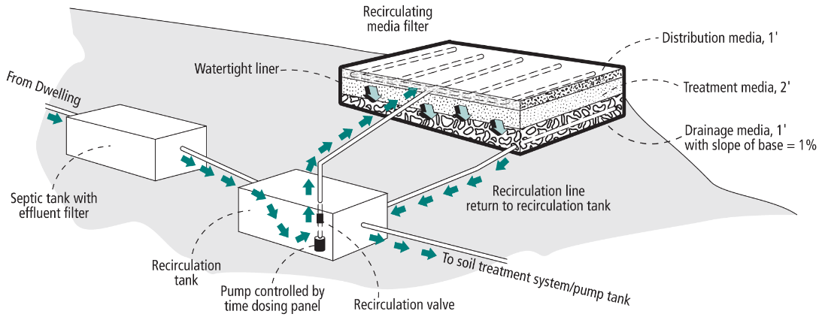 Elevations of pump supply line to filter and return line to recirculation or pump tank should be specified on design plan and confirmed by Installer.
E. | TREATMENT MEDIA

1. | Type (sand, gravel, etc.):

2. | Depth of Treatment Media: |  |  | ft | 2 feet is required

3. | Treatment Media Volume: Multiply filter area(C2) by treatment depth (E2):

 |  | sq.ft X |  | ft = |  | cu.ft
 | Divide cubic feet by 27 cu.ft/cu.yd to get cubic yards

 |  | cu.ft ÷ 27 = |  | cu.yd

F. | DISTRIBUTION MEDIA

1. | Type of Distribution Media:

 | If other, please specify:

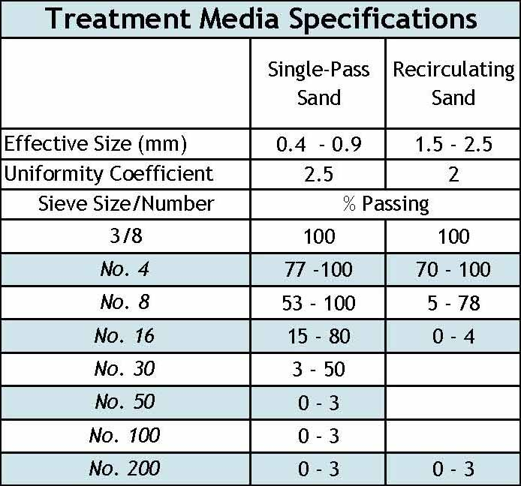
2. | Depth of Distribution Media: |  |  |  | ft

 | Minimum depth is 0.67 feet (8 inches = 6 inches below the lateral and 2 inches above).

3. | If using rock or gravel, media volume: Multiply filter area (C2) by distribution depth (F2):

 |  | sq.ft X |  | ft = |  | cuft

 | Divide cubic feet by 27 cu.ft/cu.yd to get cubic yards
 |  | cu.ft ÷ 27 = |  | cu.yd

G. | COVER MATERIAL (if applicable)

 | Is the system covered with geotextile and soil (check box)?

 |  |  |  | ft
 | Single-pass sand filters may be covered with soil while recirculating sand filter must have distribution media to the surface. If soil cover installed, maximum depth of 12 inches of loamy or sandy material with upper six inches of topsoil borrow is required along with appropriate vegetation.

H. | LINER

1. | Total system height is sum of depth of drainage(D2), treatment(E2), distribution(F2) & cover(G):

 |  | ft + |  | ft + |  | ft + | Assumes vertical walls. If sloped additional liner will be needed.

 |  | ft = |  | ft

2. | Width of liner is equal to the design width (C4) plus the two times the total system height (H1) plus two additional feet for constructability:

 |  | ft + ( |  | ft x 2) + 2 = |  | ft

3. | Length of liner equals the design length (C5) plus two times the total system height (H1) of the filter plus two additional feet for constructability:

 |  | ft + ( |  | ft x 2) + 2 = |  | ft

4. | Liner size/area is then determined by multiplying the width(H2) and length (H3):

 |  | sq.ft X |  | ft = |  | sq.ft

